History Chart
 | 2019-01-01 | 2019-02-01 | 2019-03-01 | 2019-04-01 | 2019-05-01 | 2019-06-01 | 2019-07-01 | 2019-08-01 | 2019-09-01 | 2019-10-01 | 2019-11-01 | 2019-12-01 | 2020-01-01 | 2020-02-01 | 2020-03-01 | 2020-04-01 | 2020-05-01 | 2020-06-01 | 2020-07-01 | 2020-08-01 | 2020-09-01 | 2020-10-01 | 2020-11-01 | 2020-12-01 | 2021-01-01 | 2021-02-01 | 2021-03-01 | 2021-04-01 | 2021-05-01 | 2021-06-01 | 2021-07-01 | 2021-08-01 | 2021-09-01 | 2021-10-01 | 2021-11-01 | 2021-12-01 | 2022-01-01 | 2022-02-01 | 2022-03-01 | 2022-04-01 | 2022-05-01 | 2022-06-01 | 2022-07-01 | 2022-08-01 | 2022-09-01 | 2022-10-01 | 2022-11-01 | 2022-12-01 | 2023-01-01 | 2023-02-01 | 2023-03-01 | 2023-04-01 | 2023-05-01 | 2023-06-01 | 2023-07-01 | 2023-08-01 | 2023-09-01 | 2023-10-01 | 2023-11-01 | 2023-12-01 | 2024-01-01 | 2024-02-01 | 2024-03-01 | 2024-04-01 | 2024-05-01 | 2024-06-01 | 2024-07-01 | 2024-08-01 | 2024-09-01 | 2024-10-01 | 2024-11-01 | 2024-12-01 | 2025-01-01 | 2025-02-01 | 2025-03-01 | 2025-04-01 | 2025-05-01 | 2025-06-01 | 2025-07-01 | 2025-08-01 | 2025-09-01 | 2025-10-01 | 2025-11-01 | 2025-12-01 | 2026-01-01 | 2026-02-01 | 2026-03-01 | 2026-04-01 | 2026-05-01 | 2026-06-01 | 2026-07-01 | 2026-08-01 | 2026-09-01 | 2026-10-01 | 2026-11-01 | 2026-12-01 | 2027-01-01 | 2027-02-01 | 2027-03-01 | 2027-04-01 | 2027-05-01 | 2027-06-01 | 2027-07-01 | 2027-08-01 | 2027-09-01 | 2027-10-01 | 2027-11-01 | 2027-12-01
Not Started | 8 | 8 | 10 | 10 | 10 | 11 | 13 | 15 | 15 | 19 | 20 | 23 | 23 | 26 | 28 | 26 | 27 | 31 | 31 | 38 | 36 | 34 | 33 | 33 | 47 | 46 | 51 | 51 | 52 | 51 | 54 | 53 | 57 | 54 | 57 | 57 | 61 | 58 | 58 | 64 | 66 | 66 | 63 | 62 | 59 | 65 | 62 | 66 | 65 | 70 | 68 | 69 | 69 | 53 | 48 | 46 | 46 | 46 | 51 | 52 | 51 | 49 | 49 | 46 | 48 | 46 | 43 | 42 | 40 | 40 | 40 | 40 | 40 | 43 | 43 | 44 | 44 | 48 | 45 | 50 | 48 | 48 | 48 | 53 | 51 | 49 | 48 | 49 | 48
On Hold | 0 | 0 | 0 | 0 | 0 | 0 | 0 | 0 | 0 | 0 | 0 | 0 | 0 | 0 | 0 | 0 | 0 | 0 | 0 | 2 | 2 | 2 | 2 | 2 | 2 | 1 | 5 | 7 | 8 | 7 | 7 | 7 | 7 | 7 | 7 | 7 | 7 | 7 | 7 | 7 | 7 | 7 | 7 | 7 | 7 | 7 | 7 | 7 | 7 | 7 | 7 | 7 | 7 | 7 | 7 | 7 | 7 | 7 | 7 | 7 | 7 | 7 | 7 | 7 | 7 | 8 | 8 | 8 | 9 | 9 | 9 | 9 | 9 | 9 | 9 | 9 | 9 | 9 | 9 | 9 | 9 | 9 | 9 | 9 | 9 | 9 | 9 | 9 | 9
In Flight | 0 | 0 | 0 | 0 | 0 | 0 | 0 | 0 | 0 | 1 | 1 | 2 | 3 | 3 | 3 | 5 | 5 | 7 | 7 | 7 | 11 | 13 | 15 | 15 | 16 | 18 | 14 | 12 | 12 | 14 | 13 | 14 | 14 | 17 | 13 | 11 | 13 | 16 | 15 | 20 | 21 | 19 | 22 | 20 | 23 | 22 | 23 | 22 | 23 | 21 | 21 | 20 | 20 | 34 | 38 | 40 | 39 | 36 | 38 | 38 | 36 | 40 | 39 | 40 | 39 | 37 | 41 | 41 | 41 | 43 | 42 | 40 | 35 | 30 | 26 | 31 | 29 | 30 | 32 | 34 | 36 | 36 | 36 | 40 | 11 | 16 | 15 | 15 | 14
Complete | 0 | 0 | 0 | 0 | 0 | 0 | 0 | 0 | 0 | 0 | 0 | 0 | 0 | 0 | 0 | 0 | 0 | 0 | 0 | 0 | 0 | 0 | 1 | 1 | 1 | 1 | 2 | 2 | 2 | 2 | 3 | 3 | 4 | 4 | 10 | 12 | 12 | 12 | 13 | 13 | 13 | 15 | 15 | 19 | 19 | 20 | 22 | 24 | 24 | 26 | 28 | 30 | 30 | 33 | 34 | 34 | 35 | 38 | 40 | 41 | 44 | 45 | 46 | 48 | 51 | 54 | 54 | 56 | 57 | 58 | 59 | 64 | 69 | 75 | 79 | 79 | 81 | 83 | 84 | 84 | 84 | 84 | 84 | 84 | 115 | 116 | 118 | 118 | 120
Total | 8 | 8 | 10 | 10 | 10 | 11 | 13 | 15 | 15 | 20 | 21 | 25 | 26 | 29 | 31 | 31 | 32 | 38 | 38 | 47 | 49 | 49 | 51 | 51 | 66 | 66 | 72 | 72 | 74 | 74 | 77 | 77 | 82 | 82 | 87 | 87 | 93 | 93 | 93 | 104 | 107 | 107 | 107 | 108 | 108 | 114 | 114 | 119 | 119 | 124 | 124 | 126 | 126 | 127 | 127 | 127 | 127 | 127 | 136 | 138 | 138 | 141 | 141 | 141 | 145 | 145 | 146 | 147 | 147 | 150 | 150 | 153 | 153 | 157 | 157 | 163 | 163 | 170 | 170 | 177 | 177 | 177 | 177 | 186 | 186 | 190 | 190 | 191 | 191

 |  |  |  |  |  |  |  |  |  |  |  |  |  |  |  |  | Current Total
 |  |  |  |  |  |  |  |  |  |  |  |  |  |  |  |  | 191
Project Revision Request Status Since August 2020

Initial Aging
Revision Request
Discussion
August 2020

2020-2025
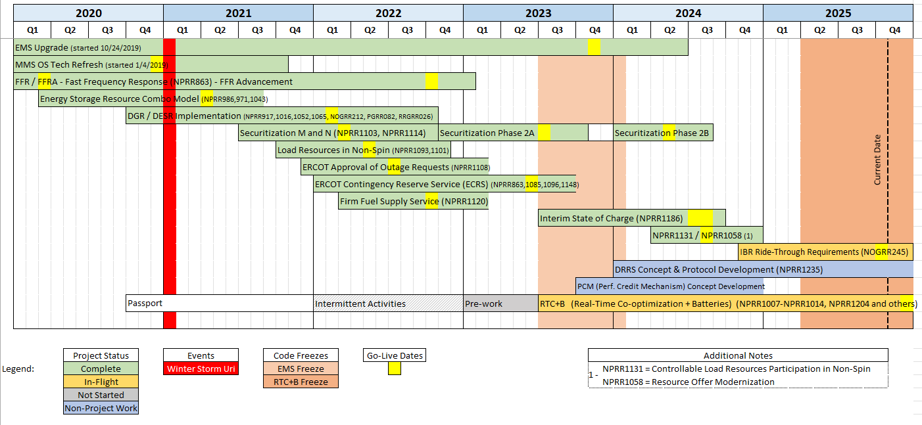
Report from late 2025 regarding high priority projects worked by ERCOT from 2020 - 2025

