Storm & Low Wind-BESS Risk
Risk Profile for Winter Storm Events

Background and Methodology
For this risk analysis, the model was forced to trigger a severe winter storm event (with system-wide impacts) along with varying degrees of severity based on temperature-driven severity probabilities. The more severe the storm, the higher the levels of weather-related thermal unit outages and wind turbine outages due to icing. Simulations were run with a range of high load levels—65,000 MW to 85,000 MW—for Hour Ending 8:00 a.m., the hour with the highest EEA risk for a December peak load day. No other changes have been made to the model, so probabilistic impacts of other variables such as wind generation, solar generation, and non-weather-related thermal unit unplanned outages are reflected in the simulation results. As with the base simulation, the impacts of the Weatherization Standard and Firm Fuel Supply Service are accounted for.
Simulation Results
The following chart shows the relationship between EEA / EEA3 probabilities and high load levels combined with a severe winter storm event for 8:00 a.m. Probabilities escalate rapidly as the load increases beyond 70,000 MW, reaching a high of 62% for an EEA and 57% for an EEA3 with load shed at a load of 85,000 MW. Note that the probability of the hourly load reaching 85,000 MW for this hour is under one percent.

 | 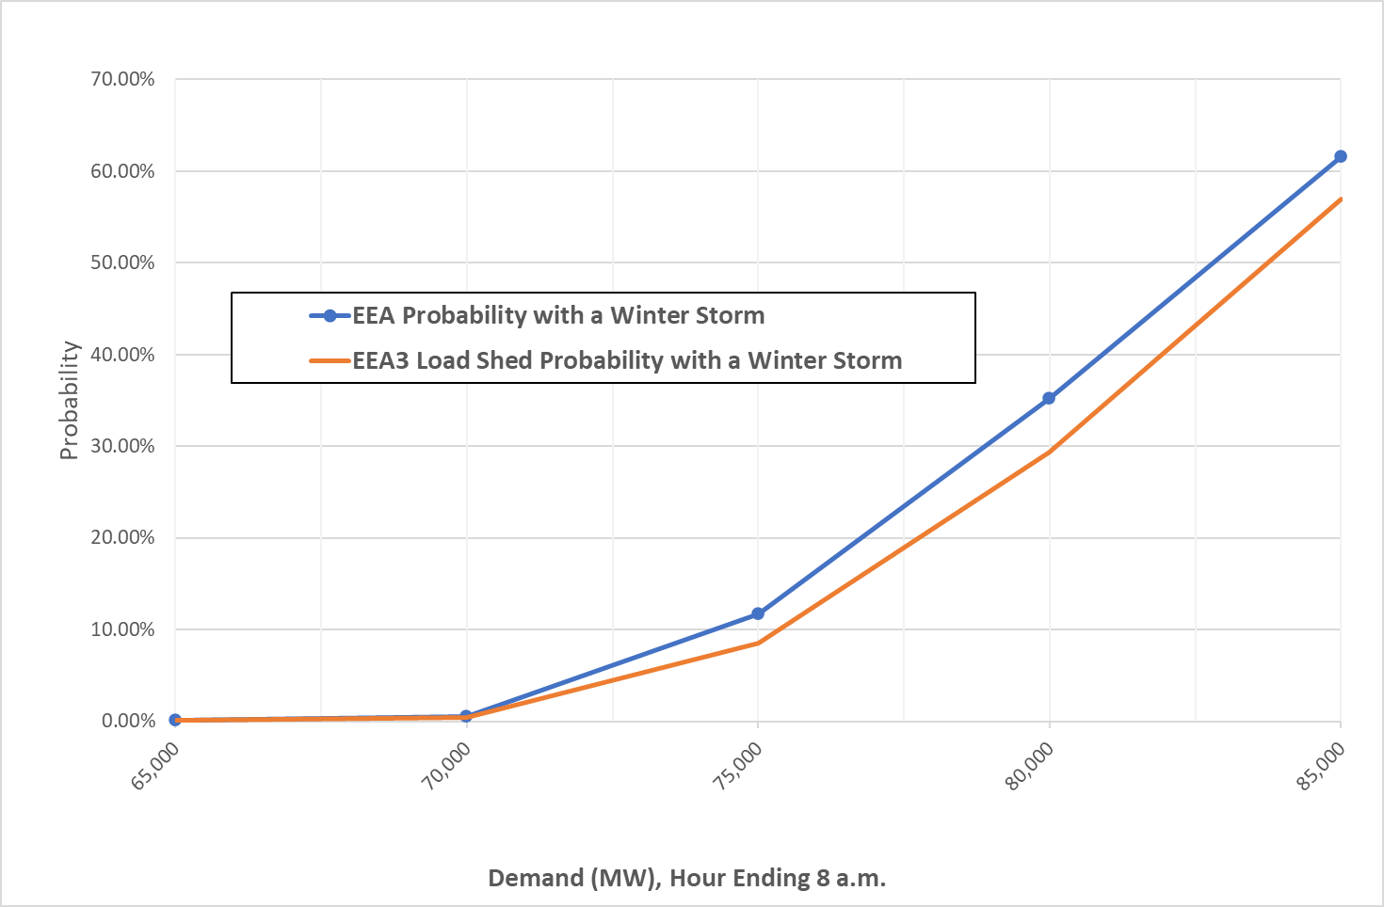

Risk Profile for Combined Low Wind and Reduced Battery Energy Storage System Availability

Background and Methodology
To create a combined low wind / low BESS risk profile for Hour Ending 8:00 a.m. on the December peak load day, the model's hourly wind generation probability distributions are replaced with fixed values corresponding to a range of percentile values. The percentile values come from the base simulation for Hour Ending 8:00 a.m., and reflect the impact of the South Texas transmission interface constraint. BESS availability is also fixed at 4,853 MW reflecting a lower State of Charge (SoC) maintained for the 8:00 a.m. December peak load hour than what would be expected during grid stress conditions, which is about 7,300 MW (a 2,447 MW difference). The 7,300 MW represents the average State of Charge seen during December 2024 low operating reserve days and during the named winter storm events in January and February 2025 (Winter Storms Cora, Enzo, and Kingston). All 10,000 model runs are restricted to the fixed wind generation and BESS availaiblity values. No other changes have been made to the model, so probabilistic impacts of other variables such as loads, solar generation, and thermal unplanned outages are reflected in the simulation results.
Simulation Results
The following chart shows the relationship between EEA / EEA3 (with load shed) probabilities and the level of fixed wind generation and BESS availability based on percentile values. The percentiles represent the percentage of outcomes above the given values. For example, the 10th percentile indicates that 90% of all values are above a 5,380 MW wind output. (As noted above, all wind output levels are companied by a fixed BESS availability of 4,853 MW.) Note that the zero-percentile value reflects the minimum amount from the PRRM simulation for Hour Ending 8:00 a.m. (1,409 MW), rather than a zero MW outcome.

