TitlePage
Report on the Capacity, Demand and Reserves
(CDR) in the ERCOT Region, 2026-2030
Revised
May 16, 2025

This revised CDR reflects corrections to formulas on the "Seasonal Summary" tab impacting the Emergency Response Service (10- and 30-min ramp products) line item for Summer 2027-2030.

Findings & Discussion
CDR - Findings & Discussion

Overview

 | ● | This CDR reflects a late April 2025 snapshot of expected resources and loads based on prescriptive rules (ERCOT Protocols), load forecasting methodologies, and information from resource developers/owners and transmission companies. The CDR provides a deterministic view of future resource adequacy along with several alternative load and planned resource scenarios designed to capture a range of potential reserve margin outcomes. Since the CDR is based on forecasted information as of a certain point in time, state/federal policy changes, economic developments, market design initiatives, evolving grid management practices, and technology improvements, can significantly alter the long-term resource adequacy outcome as reflected in this CDR. Nevertheless, the CDR signals an indicative trend of eroding resource adequacy (planning reserve margins) in the absence of major mitigating factors.
 |  | A description of the most significant load and resource uncertainties and how they are addressed through alternative deterministic scenarios is provided in the Load/Resource Forecast Uncertainty section below.
 | ● | One scenario in this CDR—using "Protocol Prescribed" capacity resources and the new ERCOT Adjusted Load Forecast—indicates that summer Planning Reserve Margins for 2026 through 2030 decrease significantly from year to year, and cross over to negative values in 2028. (In contrast, for the last CDR released in February 2025, the crossover occurred in 2026/2027. The improved reserve margin outlook is mainly due to the updated load forecast described below.) The summer Margins for the peak Net Load hours are lower than for the peak Load hours due mainly to decreasing solar generation availability in the early evening when loads are still high.

CDR Methodology Changes

 | ● | This CDR incorporates spring and fall season data for the first time. To better accommodate the expanded seasonal reporting, the separate Summary tabs are consolidated into a single "Seasonal Summary" tab. The summer and winter season data columns are reported first (left to right) since they represent the highest-risk seasons in terms of insufficient capacity reserves.
 | ● | To reflect the impact of planned fuel conversion projects for which a public announcement has been made, or the project is in the interconnection study queue but doesn't meet the planned project eligibility criteria for inclusion in the CDR, a new status designation, OPER-UNFC (unconfirmed planned fuel conversion for an operating unit), has been created. The original unit line item plus a new line item with OPER-UNFC represents the before-and-after unit differences, respectively. This change addresses two announced coal-to-gas conversion projects: Coleto Creek (655 MW seasonal rating) and J.K. Spruce 2 (785 MW seasonal rating). These units were previously treated as Unconfirmed Retirements without factoring in the fuel conversion impact.
 |  | Details on the fuel conversion accounting methodology are provided here: |  |  |  |  |  | Background tab

CDR Load Forecast

 | ● | This CDR is based on the new ERCOT Adjusted Forecast prepared in March-April 2025. The load forecast data and associated forecast methodology document are available here:
 |  | https://www.ercot.com/files/docs/2025/04/08/ErcotAdjustedForecast.xlsb
 |  | https://www.ercot.com/files/docs/2025/04/08/2025-LTLF-Report.pdf
 | ● | The hourly load forecast values in this CDR, based on the ERCOT Adjusted Forecast, comprise the sum of the forecast components in the following two formulas:

 |  |  | Base Forecast = Base Economic Forecast + Electric Vehicle Forecast + Large Flexible Load Forecast – Rooftop Solar Forecast
 |  |  | ERCOT Adjusted Forecast = Base Forecast + ERCOT Adjustments to Transmission Service Provider (TSP) forecasts
 | ● | The ERCOT adjustments to TSP-provided forecasts comprise the following:
 |  |  | ‒ 180-Day Delay for Contracts and Officer Letter Load: ERCOT applies a 180-day delay to all contract and officer letter load forecasts provided by TSPs.
 |  |  | ‒ All new data center load requests are reduced to 49.8% of the original request.
 |  |  | ‒ All Officer Letter Load requests are reduced to 55.4% of the original request.
 | ● | ERCOT assumes all Loads other than Large Flexible Loads (i.e., crypto-currency mining) are considered Firm Loads. Firm Loads are Loads that will remain on when entering emergency conditions. On the other hand, Large Flexible Loads are responsive to real time prices and can reduce consumption or turn off quickly before emergency conditions. With an expectation of increasing Large Loads (75 MW or more) like data centers connecting to the ERCOT grid, there continues to be discussion among policymakers and the industry regarding requirements for Large Loads to be demand-flexible during periods of grid scarcity. For this CDR, no assumptions concerning potential flexibility requirements for data centers have been incorporated.
 | ● | The following table shows the amount of new planned loads, by type, included in the ERCOT Adjusted Forecast update for summer 2026-2030. The last column indicates the average annual growth rate.
 |  |  |  | New TSP-Reported Loads Added to the April 2025 ERCOT Adjusted Load Forecast Cumulative MW
 |  |  | Large Load Type | Summer 2026 | Summer 2027 | Summer 2028 | Summer 2029 | Summer 2030 | Avg. Annual Growth Rate (%)
 |  |  | Contracted Loads* | 4,894 | 8,654 | 15,336 | 17,130 | 19,560 | 41%
 |  |  | TSP Officer Letter Loads** | 2,733 | 7,420 | 16,792 | 21,233 | 28,223 | 79%
 |  |  | Total | 7,627 | 16,074 | 32,128 | 38,362 | 47,783 | 58%
 |  |  | * Contracted Loads: All planned loads with signed interconnection agreements reported to ERCOT by the loads' Transmission Service Providers
 |  |  | ** All planned loads documented in a TSP officer letter. (An officer letter is an attestation indicating confidence that loads are expected to be interconnected even though the interconnection agreement has not been signed yet.)
 | ● | The following table shows the summer peak Load and peak Net Load forecasts for 2026-2030, along with the associated peak load hours:
...
 |  |  |  |  | Load for the peak Load hour |  | Load for the peak Net Load hour (Load minus wind and solar generation)
 |  |  |  | 2026 | 94,159 | 5:00 p.m. | 81,411 | 9:00 p.m.
 |  |  |  | 2027 | 103,725 | 5:00 p.m. | 91,088 | 9:00 p.m.
 |  |  |  | 2028 | 120,875 | 5:00 p.m. | 108,314 | 9:00 p.m.
 |  |  |  | 2029 | 127,905 | 5:00 p.m. | 115,532 | 9:00 p.m.
 |  |  |  | 2030 | 138,010 | 5:00 p.m. | 126,198 | 9:00 p.m.

Planning Reserve Margins for the Peak Load and Peak Net Load Hours

 | ● | The following charts show the summer and winter Planning Reserve Margin trends for the scenario based on the ERCOT Adjusted Load Forecast and Protocol-prescribed resource capacity. Trends are shown for the peak Load and peak Net Load hours. Both the summer peak Load and peak Net Load enter negative territory beginning summer 2028. The reduction in the Large Load forecast, based on the ERCOT adjustments described above, drive the improved margins relative to the December 2024 CDR released in February. The significant drop in Data Center Loads, which use power at a consistently high level throughout the day, also produces a larger gap between the Loads at the time of the peak hour and net peak hour. For the winter, both peak Load and peak Net Load Margins enter negative territory beginning winter 2028/29. Unlike summer, the peak Net Load hour Margins are higher than the peak Load hour Margins. This flip is due to winter loads decreasing more proportionally to winter resource decreases, while summer loads decrease less proportionally to summer resource decreases. The lower and sharply downward trajectory of the Margins is due to (1) high load growth largely driven by new Loads reported by Transmission Service Providers, (2) a lower capacity contribution from wind and solar resources due to the switch to Effective Load Carrying Capabilities, (3) fewer planned resources that result from applying additional eligibility criteria to be included in Planning Reserve Margins.
Planning Reserve Margin, Summer
 | Peak Load Hour | Peak Net Load Hour
2026 | 17.2% | 19.5%
2027 | 9.0% | 6.9%
2028 | -4.4% | -9.0%
2029 | -10.1% | -15.5%
2030 | -16.8% | -22.7%
Planning Reserve Margin, Winter
 | Peak Load Hour | Peak Net Load Hour
2026/27 | 23.0% | 29.2%
2027/28 | 3.1% | 7.2%
2028/29 | -11.2% | -8.1%
2029/30 | -19.9% | -17.3%
2030/31 | -23.9% | -21.5%

 | ● | The following waterfall chart shows the Reserve Margin capacity components for summer 2026 that contribute to the differences in Planning Reserve Margins reported in the December 2024 CDR versus the May 2025 CDR. (Crimson bars signify components that reduce Reserve Margin capacity whereas green bars signify components that increase Reserve Margin capacity.)

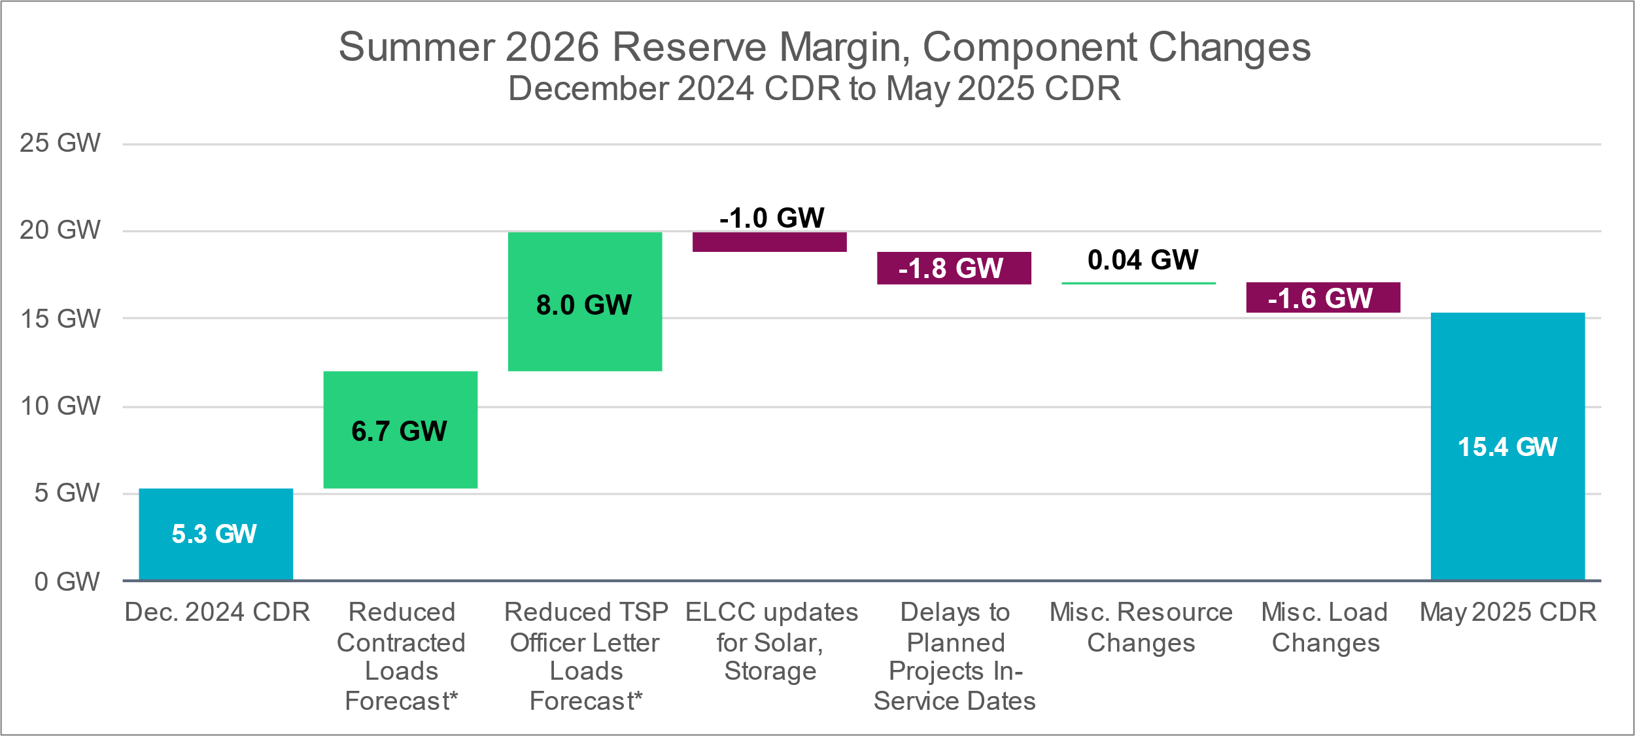

 |  |  | Notes: *Reduced Contracted Loads and TSP Officer Letter Loads Forecast is based on ERCOT Adjusted Load Forecast methodology. https://www.ercot.com/gridinfo/load/forecast , https://www.ercot.com/files/docs/2025/04/22/2__SAWG_ERCOT_Long-term_Load_Forecast_4-25-2025.ppt ELCC stands for Effective Load Carrying Capability. Delays to planned projects by fuel type are 136 MW Wind, 694 MW Solar, and 1,018 MW Storage. Miscellaneous resource changes include rating adjustments to operational and planned resources, new planned projects, cancellations of planned projects, DG unit retirements, newly mothballed units (V H BRAUNIG STG 1 & 2), newly extended outage (R W MILLER STG 1), newly Unavailable Switchable Unit (TENASKA GATEWAY STATION STG 4) and updated forecasts for Private-Use Network (PUN) Capacity Contributions. Miscellaneous load changes cover updates to Load Resource categories displayed in the Seasonal Summary tab, including Incremental Rooftop PV Forecast, Load Resources, Controllable Load Resources, Emergency Responsive Service, TDSP load management programs, and Distribution Voltage Reduction.

Planned Resource Trends

 | ● | The table below shows the changes in resource capacity additions for summer 2026-2030 by resource category. Only those projects that have met the CDR eligibility criteria are included. Solar is expected to continue out-pacing the other resource types in terms of installed capacity growth, followed by Energy Storage Resources (battery energy storage).

 |  |  | Planned Generation Installed Capacity Additions by Summer Season (Projects that meet CDR Eligibility Criteria)
 |  |  |  | Summer 2026 | Summer 2027 | Summer 2028 | Summer 2029 | Summer 2030 | Trend
 |  |  | Thermal (Natural Gas and Diesel) | 1,452 | 1,452 | 2,126 | 2,126 | 2,126
 |  |  | Battery Energy Storage | 9,469 | 13,642 | 16,767 | 17,324 | 17,324
...

Load-Resource Scenarios
...
Reserve Margins (%) |  |  |  |  |  | Reserve Margins (%)
Protocol-prescribed | 23.0% | 3.1% | -11.2% | -19.9% | -23.9% | Protocol-prescribed | 29.2% | 7.2% | -8.1% | -17.3% | -21.5%
TSP Officer Letter Load Scenario 1 | 13.8% | -8.4% | -18.2% | -27.2% | -31.2% | TSP Officer Letter Load Scenario 1 | 18.9% | -5.3% | -15.7% | -25.2% | -29.3%
TSP Officer Letter Load Scenario 2 | 1.0% | -25.2% | -35.0% | -44.2% | -47.9% | TSP Officer Letter Load Scenario 2 | 4.9% | -23.3% | -33.6% | -43.1% | -46.9%
TEF Capacity Scenario 3 | 24.4% | 6.4% | -4.9% | -14.2% | -18.6% | TEF Capacity Scenario 3 | 30.7% | 10.6% | -1.5% | -11.4% | -15.9%
TEF Capacity Scenario 4 | 23.0% | 3.9% | -7.7% | -16.8% | -21.0% | TEF Capacity Scenario 4 | 29.2% | 8.0% | -4.5% | -14.1% | -18.4%

Planning Reserve Margin, Load-Resource Scenarios, Peak Load Hour View - Summer
 | Protocol-prescribed | TSP Officer Letter Load Scenario 1 | TSP Officer Letter Load Scenario 2 | TEF Capacity Scenario 3 | TEF Capacity Scenario 4
2026 | 17.2% | 12.8% | 5.8% | 18.4% | 17.2%
2027 | 9.0% | -0.1% | -13.3% | 10.4% | 9.3%
2028 | -4.4% | -14.6% | -30.9% | 0.3% | -2.3%
2029 | -10.1% | -22.3% | -39.5% | -4.6% | -7.1%
2030 | -16.8% | -26.1% | -43.2% | -11.6% | -13.9%
Planning Reserve Margin, Load-Resource Scenarios, Peak Net Load Hour View - Summer
 | Protocol-prescribed | TSP Officer Letter Load Scenario 1 | TSP Officer Letter Load Scenario 2 | TEF Capacity Scenario 3 | TEF Capacity Scenario 4
2026 | 19.5% | 14.3% | 6.1% | 20.9% | 19.5%
2027 | 6.9% | -3.2% | -17.4% | 8.6% | 7.3%
2028 | -9.0% | -19.7% | -36.4% | -3.7% | -6.7%
2029 | -15.5% | -28.0% | -45.1% | -9.4% | -12.1%
2030 | -22.7% | -32.2% | -48.9% | -17.1% | -19.6%

Planning Reserve Margin, Load-Resource Scenarios, Peak Load Hour View - Winter
Planning Reserve Margin, Load-Resource Scenarios, Peak Net Load Hour View - Winter

