Weather Zones
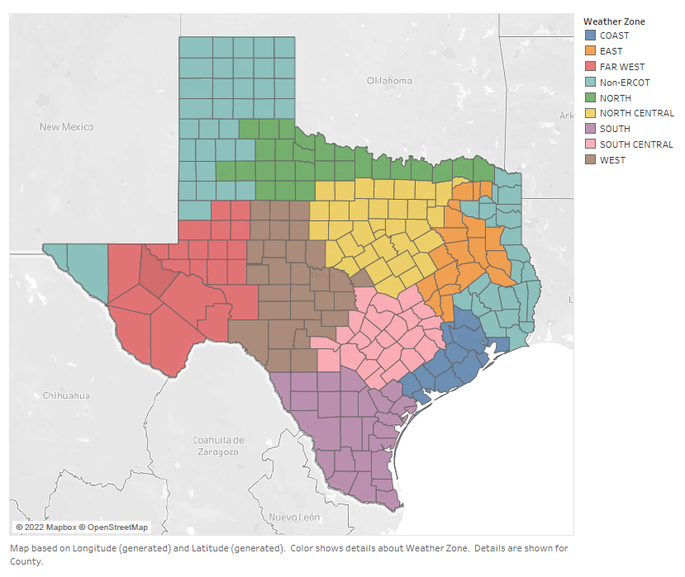
Weather Zones

