Linked Inclusive Offers
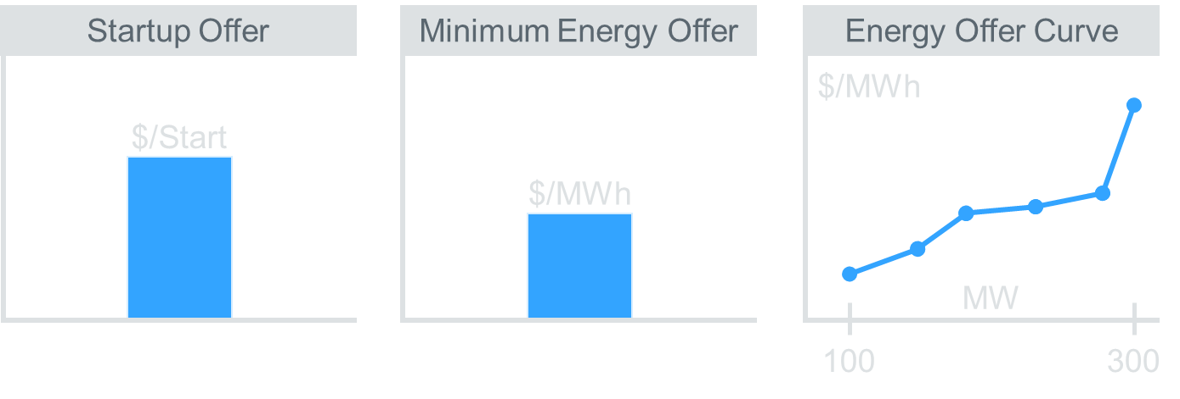
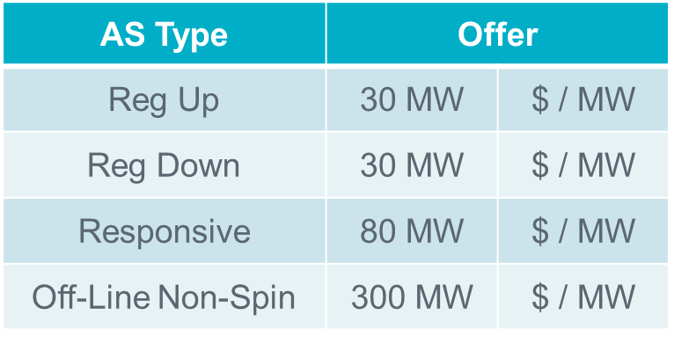
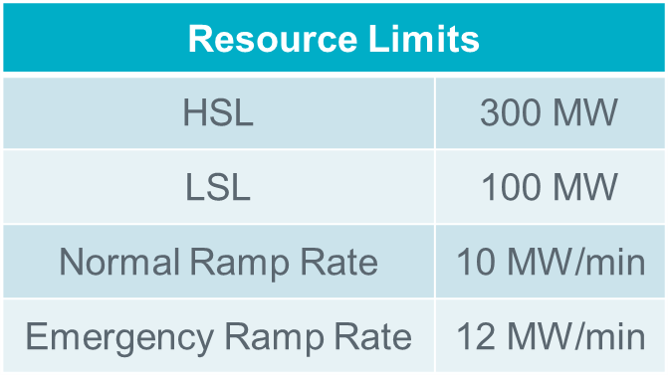

Inclusive

 | Startup & Min Energy | ? | Energy | (Headroom) | (LSL) | Reg Down | (Gap) | Responsive | Reg Up | Off-Line Non-Spin
Energy | 0 | 0 | 0 | 300
Ancillary Services |  |  |  |  | 0 | 0 | 0 | 0 | 0 | 0
Resource Offer | Possible Award
Start-Up & Min Energy | No
Energy | 0 MW
Reg Up | 0 MW
Reg Down | 0 MW
Responsive | 0 MW
LSL
HSL
Off-Line Non-Spin | 0 MW
 | 30

Linked Exclusive Offers
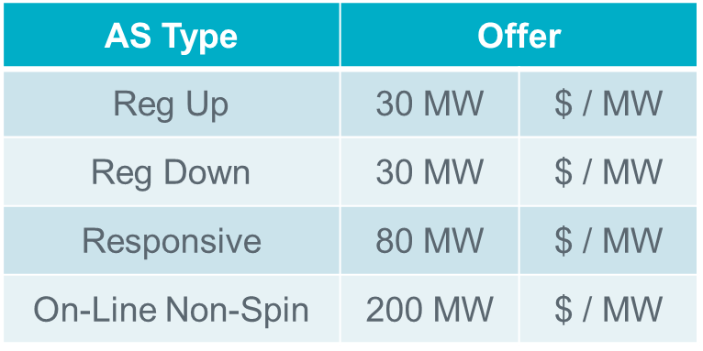

Exclusive

 | Startup & Min Energy | ? | Energy | (Headroom) | (LSL) | Reg Down | (Gap) | On-Line Non-Spin | Responsive | Reg Up
Energy | 0 | 0 | 0 | 300
Ancillary Services |  |  |  |  | 0 | 0 | 0 | 0 | 0 | 0
Resource Offer | Possible Award
Start-Up & Min Energy | No
Energy | 0 MW
Reg Up | 0 MW
Reg Down | 0 MW
Responsive | 0 MW
LSL
HSL
On-Line Non-Spin | 0 MW

Instructor Example
Determine Awards that Maximize the Objective Value subject to transmission constraints shown below

QSE | Product | Bid or Offer | Location | MW | Price | Awarded MW | Bid-based Revenues | – | Offer-based Costs | = | Objective Value
QSE 1 | Energy | Offer | A | 100 | $20 |  | $0 | – | $0 | = | $0
QSE 2 | Energy | Offer | C | 60 | $30
QSE 3 | Energy | Bid | D | 90 | $40
QSE 4 | PTP OBL | Bid | A to B | 30 | $20

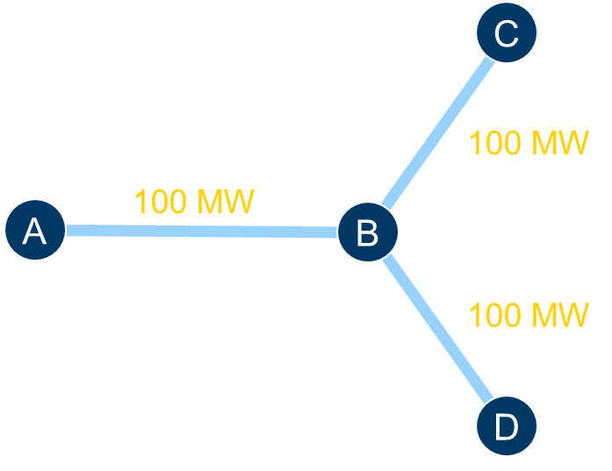

 |  |  |  |  |  |  | Power is balanced

Reference Bus

 | SPdemand |  | SPConstraint AB

Breakout Session Example
Determine Awards that Maximize the Objective Value subject to transmission constraints shown below

QSE | Product | Bid or Offer | Location | MW | Price | Awarded MW | Bid-based Revenues | – | Offer-based Costs | = | Objective Value
QSE 1 | Energy | Offer | A | 100 | $20 |  | $0 | – | $0 | = | $0
QSE 2 | Energy | Offer | C | 60 | $30
QSE 3 | Energy | Bid | D | 90 | $40
QSE 4 | PTP OBL | Bid | A to B | 30 | $5

 |  |  |  |  |  |  | Power is balanced

Reference Bus

 | SPdemand |  | SPConstraint AB

