TitlePage


Report on the Capacity, Demand and Reserves
(CDR) in the ERCOT Region, 2021-2030
December 16, 2020

Executive_Summary
CDR Report - Executive Summary

New generation resources, including a significant amount of utility-scale solar, continue to be added to the ERCOT region at a rapid pace, resulting in higher planning reserve margins over the next several years.
The planning reserve margin for summer 2021 is forecasted to be 15.5%, based on resource updates provided to ERCOT from generation developers and an updated peak demand forecast. This is down 1.8% from what was reported in the May CDR due to solar and wind project delays and cancellations. Between 2022 and 2025, the planning reserve margin is expected to reach 25-27%.
The ERCOT region continues to see growth in customer demand, and will be incorporating demand served by Lubbock Power and Light beginning in June 2021. The forecasted peak demand for summer 2021 is 77,244 MW, and was calculated using revised economic data released by Moody’s Analytics in August. ERCOT’s current system-wide peak demand record is 74,820 MW, set on Aug. 12, 2019, between 4 and 5 p.m.
ERCOT has seen a significant increase in utility-scale solar resources, and based on the grid operator’s current interconnection queue for new generation projects, this trend is expected to continue over the next several years.
The grid operator is also seeing continued and accelerated growth in rooftop solar projects. In response, ERCOT included its first, separate rooftop solar PV forecast in the CDR. The forecast was created to show the incremental capacity growth beyond the historical growth trend reflected in the load forecast.
Based on preliminary data from generation owners, planned resources expected to be available by summer 2021 have a summer-rated capacity of 5,620 MW. This includes 816 MW of gas-fired resources, 1,765 MW of wind resources and 3,039 MW of utility-scale solar resources. An additional 9,273 MW of summer-rated solar capacity is expected to be added by June 2022.
Resources totaling 1,917 MW of installed capacity have been approved by ERCOT for commercial operations since the May CDR, and a total of 12,525 MW of installed capacity became eligible for inclusion in the CDR.
The mid-year CDR report will be released in May 2021.

SummerSummary
Report on the Capacity, Demand and Reserves in the ERCOT Region
Summer Summary: 2021-2025

Load Forecast, MW: |  | 2021 | 2022 | 2023 | 2024 | 2025
 | Summer Peak Demand (based on normal weather) | 77,244 | 78,855 | 80,280 | 81,267 | 82,058
 | plus: Energy Efficiency Program Savings Forecast | 2,110 | 2,337 | 2,648 | 2,884 | 3,205
 | Total Summer Peak Demand (before Reductions from Energy Efficiency Programs) | 79,354 | 81,192 | 82,929 | 84,151 | 85,263
 | less: Rooftop solar PV Forecast | -100 | -190 | -280 | -359 | -426
 | less: Load Resources providing Responsive Reserves | -898 | -898 | -898 | -898 | -898
 | less: Load Resources providing Non-Spinning Reserves | 0 | 0 | 0 | 0 | 0
 | less: Emergency Response Service (10- and 30-min ramp products) | -811 | -811 | -811 | -811 | -811
 | less: TDSP Standard Offer Load Management Programs | -262 | -262 | -262 | -262 | -262
 | less: Energy Efficiency Program Savings Forecast | -2,110 | -2,337 | -2,648 | -2,884 | -3,205
 | Firm Peak Load, MW | 75,173 | 76,695 | 78,030 | 78,937 | 79,661

Resources, MW: |  | 2021 | 2022 | 2023 | 2024 | 2025
 | Installed Capacity, Thermal/Hydro | 64,026 | 64,096 | 64,096 | 64,096 | 64,096
 | Switchable Capacity | 3,490 | 3,490 | 3,490 | 3,490 | 3,490
 | less: Switchable Capacity Unavailable to ERCOT | -542 | -542 | -542 | -542 | -542
 | Available Mothballed Capacity | 588 | 470 | 470 | 470 | 470
 | Capacity from Private Use Networks | 3,259 | 3,172 | 3,167 | 3,122 | 3,082
 | Coastal Wind, Peak Average Capacity Contribution (61% of installed capacity) | 2,188 | 2,188 | 2,188 | 2,188 | 2,188
 | Panhandle Wind, Peak Average Capacity Contribution (29% of installed capacity) | 1,279 | 1,279 | 1,279 | 1,279 | 1,279
 | Other Wind, Peak Average Capacity Contribution (19% of installed capacity) | 3,251 | 3,251 | 3,251 | 3,251 | 3,251
 | Solar Utility-Scale, Peak Average Capacity Contribution (80% of installed capacity) | 3,069 | 3,069 | 3,069 | 3,069 | 3,069
 | Storage, Peak Average Capacity Contribution (0% of installed capacity) | 0 | 0 | 0 | 0 | 0
 | RMR Capacity to be under Contract | 0 | 0 | 0 | 0 | 0
 | Capacity Pending Retirement | -235 | -235 | -235 | -235 | -235
 | Operational Generation Capacity, MW | 80,372 | 80,237 | 80,232 | 80,187 | 80,147

 | Non-Synchronous Ties, Capacity (Based on average net import contribution during summer 2019 EEA events) | 850 | 850 | 850 | 850 | 850
 | Planned Resources (not wind, solar or storage) with Signed IA, Air Permits and Adequate Water Supplies | 816 | 1,199 | 1,199 | 1,199 | 1,199
 | Planned Coastal Wind with Signed IA, Peak Average Capacity Contribution (61% of installed capacity) | 829 | 952 | 1,088 | 1,088 | 1,088
 | Planned Panhandle Wind with Signed IA, Peak Average Capacity Contribution (29% of installed capacity) | 0 | 49 | 93 | 93 | 93
 | Planned Other Wind with Signed IA, Peak Average Capacity Contribution (19% of installed capacity) | 935 | 2,046 | 2,141 | 2,217 | 2,217
 | Planned Solar Utility-Scale, Peak Average Capacity Contribution (80% of installed capacity) | 3,039 | 12,312 | 13,645 | 14,333 | 14,333
 | Planned Storage, Peak Average Capacity Contribution (0% of installed capacity) | 0 | 0 | 0 | 0 | 0
 | Total Capacity, MW | 86,842 | 97,645 | 99,249 | 99,968 | 99,928

 | Reserve Margin | 15.5% | 27.3% | 27.2% | 26.6% | 25.4%
 | (Total Resources - Firm Load Forecast) / Firm Load Forecast

Summer Loads and Resources

SummerFuelTypes
Summer Fuel Types - ERCOT

Fuel type is based on the primary fuel. Capacity contribution of the wind resources is included at 61% for Coastal counties, 29% for Panhandle counties, and 19% for all other counties, while the solar capacity contribution is 80%. Private Use Network, and Hydro are included based on the three-year average historical capability for each Summer Season's 20 peak load hours. Non-Synchronous Tie resources import forecast is based on flows seen during Energy Emergency Alert (EEA) periods in the most recent summer of occurrence. Non-Synchronous Tie resources are categorized as Other. Mothballed resource capacity is excluded except for Available Mothball Capacity based on a Seasonal Availability Schedule or Owner's reported Return Probability. Private Use Network generator capacity is categorized as gas.

In MW
Fuel_Type | Capacity_Pct | 2021 | 2022 | 2023 | 2024 | 2025 | 2026 | 2027 | 2028 | 2029 | 2030

Biomass | 100% | 64 | 64 | 64 | 64 | 64 | 64 | 64 | 64 | 64 | 64
Coal | 100% | 13,568 | 13,568 | 13,568 | 13,568 | 13,568 | 13,568 | 13,568 | 13,568 | 13,568 | 13,568
Gas | 100% | 52,040 | 52,336 | 52,331 | 52,286 | 52,246 | 52,031 | 52,031 | 52,026 | 52,026 | 52,026
Nuclear | 100% | 4,973 | 4,973 | 4,973 | 4,973 | 4,973 | 4,973 | 4,973 | 4,973 | 4,973 | 4,973
Other | 70% | 850 | 850 | 850 | 850 | 850 | 850 | 850 | 850 | 850 | 850
Hydro | 86% | 479 | 479 | 479 | 479 | 479 | 479 | 479 | 479 | 479 | 479
Wind-C | 61% | 3,017 | 3,139 | 3,276 | 3,276 | 3,276 | 3,276 | 3,276 | 3,276 | 3,276 | 3,276
Wind-P | 29% | 1,279 | 1,328 | 1,372 | 1,372 | 1,372 | 1,372 | 1,372 | 1,372 | 1,372 | 1,372
Wind-O | 19% | 4,187 | 5,297 | 5,392 | 5,468 | 5,468 | 5,468 | 5,468 | 5,468 | 5,468 | 5,468
Solar | 80% | 6,108 | 15,380 | 16,714 | 17,402 | 17,402 | 17,402 | 17,402 | 17,402 | 17,402 | 17,402
Storage | 0% | - | - | - | - | - | - | - | - | - | -
Total |  | 86,564 | 97,415 | 99,019 | 99,738 | 99,698 | 99,483 | 99,483 | 99,478 | 99,478 | 99,478

In Percentages
Fuel_Type |  | 2021 | 2022 | 2023 | 2024 | 2025 | 2026 | 2027 | 2028 | 2029 | 2030

Biomass |  | 0% | 0% | 0% | 0% | 0% | 0% | 0% | 0% | 0% | 0%
Coal |  | 16% | 14% | 14% | 14% | 14% | 14% | 14% | 14% | 14% | 14%
Natural Gas |  | 60% | 54% | 53% | 52% | 52% | 52% | 52% | 52% | 52% | 52%
Nuclear |  | 6% | 5% | 5% | 5% | 5% | 5% | 5% | 5% | 5% | 5%
Other |  | 1% | 1% | 1% | 1% | 1% | 1% | 1% | 1% | 1% | 1%
Hydro |  | 1% | 0% | 0% | 0% | 0% | 0% | 0% | 0% | 0% | 0%
Wind-C |  | 3% | 3% | 3% | 3% | 3% | 3% | 3% | 3% | 3% | 3%
Wind-P |  | 1% | 1% | 1% | 1% | 1% | 1% | 1% | 1% | 1% | 1%
Wind-O |  | 5% | 5% | 5% | 5% | 5% | 5% | 5% | 5% | 5% | 5%
Solar |  | 7% | 16% | 17% | 17% | 17% | 17% | 17% | 17% | 17% | 17%
Storage |  | 0% | 0% | 0% | 0% | 0% | 0% | 0% | 0% | 0% | 0%
Summer 2007 Fuel Types - Northeast Zone
 | 0
Summer 2007 Fuel Types - Northeast Zone
 | 0
Summer 2007 Fuel Types - Northeast Zone
 | 0
Summer 2007 Fuel Types - Northeast Zone
 | 0
Total |  | 100.0% | 100.0% | 100.0% | 100.0% | 100.0% | 100.0% | 100.0% | 100.0% | 100.0% | 100.0%

WinterSummary
Report on the Capacity, Demand and Reserves in the ERCOT Region
Winter Summary: 2021/2022 through 2025/2026

Load Forecast, MW: |  | 2021/2022 | 2022/2023 | 2023/2024 | 2024/2025 | 2025/2026
 | Winter Peak Demand (based on normal weather) | 62,001 | 64,472 | 66,212 | 67,648 | 68,952
 | plus: Energy Efficiency Program Savings Forecast | 2,110 | 2,337 | 2,648 | 2,884 | 3,205
 | Total Winter Peak Demand (before Reductions from Energy Efficiency Programs) | 64,111 | 66,809 | 68,860 | 70,532 | 72,157
 | less: Rooftop solar PV Forecast | 0 | 0 | 0 | 0 | 0
 | less: Load Resources providing Responsive Reserves | -1,570 | -1,570 | -1,570 | -1,570 | -1,570
 | less: Load Resources providing Non-Spinning Reserves | 0 | 0 | 0 | 0 | 0
 | less: Emergency Response Service (10- and 30-min ramp products) | -1,109 | -1,162 | -1,162 | -1,162 | -1,162
 | less: TDSP Standard Offer Load Management Programs | 0 | 0 | 0 | 0 | 0
 | less: Energy Efficiency Program Savings Forecast | -2,110 | -2,337 | -2,648 | -2,884 | -3,205
 | Firm Peak Load, MW | 59,322 | 61,740 | 63,480 | 64,916 | 66,220

Resources, MW: |  | 2021/2022 | 2022/2023 | 2023/2024 | 2024/2025 | 2025/2026
 | Installed Capacity, Thermal/Hydro | 67,470 | 67,545 | 67,545 | 67,545 | 67,545
 | Switchable Capacity | 3,710 | 3,710 | 3,710 | 3,710 | 3,710
 | less: Switchable Capacity Unavailable to ERCOT | -568 | -568 | -568 | -568 | -568
 | Available Mothballed Capacity | 0 | 0 | 0 | 0 | 0
 | Capacity from Private Use Networks | 3,554 | 3,467 | 3,462 | 3,417 | 3,377
 | Coastal Wind, Peak Average Capacity Contribution (43% of installed capacity) | 1,542 | 1,542 | 1,542 | 1,542 | 1,542
 | Panhandle Wind, Peak Average Capacity Contribution (32% of installed capacity) | 1,411 | 1,411 | 1,411 | 1,411 | 1,411
 | Other Wind, Peak Average Capacity Contribution (19% of installed capacity) | 3,251 | 3,251 | 3,251 | 3,251 | 3,251
 | Solar Utility-Scale, Peak Average Capacity Contribution (7% of installed capacity) | 269 | 269 | 269 | 269 | 269
 | Storage, Peak Average Capacity Contribution (0% of installed capacity) | 0 | 0 | 0 | 0 | 0
 | RMR Capacity to be under Contract | 0 | 0 | 0 | 0 | 0
 | Capacity Pending Retirement | -235 | -235 | -235 | -235 | -235
 | Operational Generation Capacity, MW | 80,404 | 80,392 | 80,387 | 80,342 | 80,302

 | Non-Synchronous Ties, Capacity (Based on average net import contribution during winter 2014 EEA events) | 838 | 838 | 838 | 838 | 838
 | Planned Resources (not wind, solar or storage) with Signed IA, Air Permits and Adequate Water Supplies | 1,139 | 1,199 | 1,199 | 1,199 | 1,199
 | Planned Coastal Wind with Signed IA, Peak Average Capacity Contribution (43% of installed capacity) | 584 | 671 | 767 | 767 | 767
 | Planned Panhandle Wind with Signed IA, Peak Average Capacity Contribution (32% of installed capacity) | 0 | 54 | 103 | 103 | 103
 | Planned Other Wind with Signed IA, Peak Average Capacity Contribution (19% of installed capacity) | 1,542 | 2,046 | 2,217 | 2,217 | 2,217
 | Planned Solar Utility-Scale, Peak Average Capacity Contribution (7% of installed capacity) | 459 | 1,088 | 1,254 | 1,254 | 1,254
 | Planned Storage, Peak Average Capacity Contribution (0% of installed capacity) | 0 | 0 | 0 | 0 | 0
 | Total Capacity, MW | 84,966 | 86,287 | 86,764 | 86,719 | 86,679

 | Reserve Margin | 43.2% | 39.8% | 36.7% | 33.6% | 30.9%
 | (Total Resources - Firm Load Forecast) / Firm Load Forecast

Winter Loads and Resources

WinterFuelTypes
Winter Fuel Types - ERCOT

Fuel type is based on the primary fuel. Capacity contribution of the wind resources is included at 43% for Coastal counties, 32% for Panhandle counties, and 19% for all other counties, while the solar capacity contribution is 7%. Private Use Network, and Hydro are included based on the three-year average historical capability for each Summer Season's 20 peak load hours. Non-Synchronous Tie resources import forecast is based on flows seen during Energy Emergency Alert (EEA) periods in the most recent winter of occurrence. Non-Synchronous Tie resources are categorized as Other. Mothballed resource capacity is excluded except for Available Mothball Capacity based on a Seasonal Availability Schedule or Owner's reported Return Probability. Private Use Network generator capacity is categorized as gas.

In MW
Fuel_Type | Capacity_Pct | 2021/2022 | 2022/2023 | 2023/2024 | 2024/2025 | 2025/2026 | 2026/2027 | 2027/2028 | 2028/2029 | 2029/2030 | 2030/2031

Biomass | 100% | 64 | 64 | 64 | 64 | 64 | 64 | 64 | 64 | 64 | 64
Coal | 100% | 13,630 | 13,630 | 13,630 | 13,630 | 13,630 | 13,630 | 13,630 | 13,630 | 13,630 | 13,630
Gas | 100% | 56,102 | 56,075 | 56,070 | 56,025 | 55,985 | 55,770 | 55,770 | 55,765 | 55,765 | 55,765
Nuclear | 100% | 5,153 | 5,153 | 5,153 | 5,153 | 5,153 | 5,153 | 5,153 | 5,153 | 5,153 | 5,153
Other | 69% | 838 | 838 | 838 | 838 | 838 | 838 | 838 | 838 | 838 | 838
Hydro | 78% | 436 | 436 | 436 | 436 | 436 | 436 | 436 | 436 | 436 | 436
Wind-C | 43% | 2,127 | 2,213 | 2,309 | 2,309 | 2,309 | 2,309 | 2,309 | 2,309 | 2,309 | 2,309
Wind-P | 32% | 1,411 | 1,465 | 1,513 | 1,513 | 1,513 | 1,513 | 1,513 | 1,513 | 1,513 | 1,513
Wind-O | 19% | 4,794 | 5,297 | 5,468 | 5,468 | 5,468 | 5,468 | 5,468 | 5,468 | 5,468 | 5,468
Solar | 7% | 727 | 1,356 | 1,523 | 1,523 | 1,523 | 1,523 | 1,523 | 1,523 | 1,523 | 1,523
Storage | 0% | - | - | - | - | - | - | - | - | - | -
Total |  | 85,281 | 86,527 | 87,004 | 86,959 | 86,919 | 86,704 | 86,704 | 86,699 | 86,699 | 86,699

In Percentages
Fuel_Type |  | 2021/2022 | 2022/2023 | 2023/2024 | 2024/2025 | 2025/2026 | 2026/2027 | 2027/2028 | 2028/2029 | 2029/2030 | 2030/2031

Biomass |  | 0.1% | 0.1% | 0.1% | 0.1% | 0.1% | 0.1% | 0.1% | 0.1% | 0.1% | 0.1%
Coal |  | 16.0% | 15.8% | 15.7% | 15.7% | 15.7% | 15.7% | 15.7% | 15.7% | 15.7% | 15.7%
Gas |  | 65.8% | 64.8% | 64.4% | 64.4% | 64.4% | 64.3% | 64.3% | 64.3% | 64.3% | 64.3%
Nuclear |  | 6.0% | 6.0% | 5.9% | 5.9% | 5.9% | 5.9% | 5.9% | 5.9% | 5.9% | 5.9%
Other |  | 1.0% | 1.0% | 1.0% | 1.0% | 1.0% | 1.0% | 1.0% | 1.0% | 1.0% | 1.0%
Hydro |  | 0.5% | 0.5% | 0.5% | 0.5% | 0.5% | 0.5% | 0.5% | 0.5% | 0.5% | 0.5%
Wind-C |  | 2.5% | 2.6% | 2.7% | 2.7% | 2.7% | 2.7% | 2.7% | 2.7% | 2.7% | 2.7%
Wind-P |  | 1.7% | 1.7% | 1.7% | 1.7% | 1.7% | 1.7% | 1.7% | 1.7% | 1.7% | 1.7%
Wind-O |  | 5.6% | 6.1% | 6.3% | 6.3% | 6.3% | 6.3% | 6.3% | 6.3% | 6.3% | 6.3%
Solar |  | 0.9% | 1.6% | 1.8% | 1.8% | 1.8% | 1.8% | 1.8% | 1.8% | 1.8% | 1.8%
Storage |  | 0.0% | 0.0% | 0.0% | 0.0% | 0.0% | 0.0% | 0.0% | 0.0% | 0.0% | 0.0%
Summer 2007 Fuel Types - Northeast Zone
 | 0
Summer 2007 Fuel Types - Northeast Zone
 | 0
Summer 2007 Fuel Types - Northeast Zone
 | 0
Summer 2007 Fuel Types - Northeast Zone
 | 0
Total |  | 100.0% | 100.0% | 100.0% | 100.0% | 100.0% | 100.0% | 100.0% | 100.0% | 100.0% | 100.0%

Rooftop Solar Scenarios
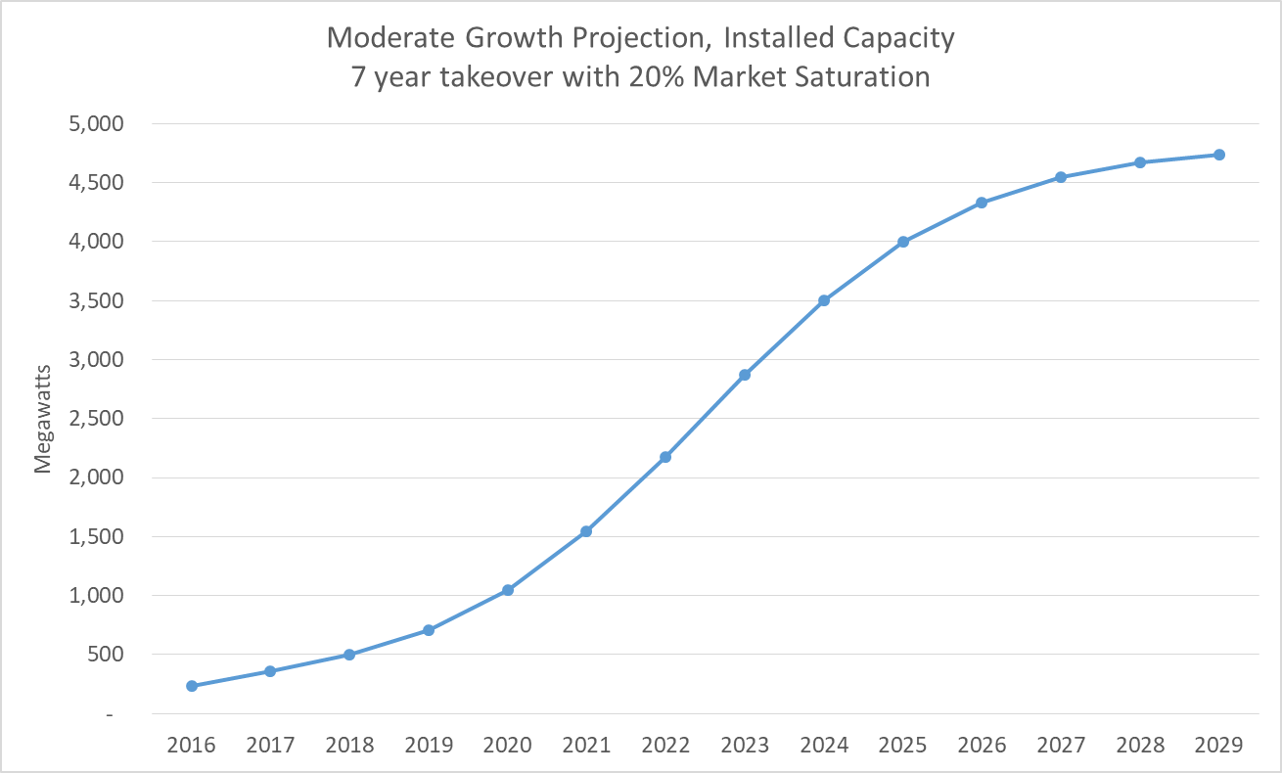
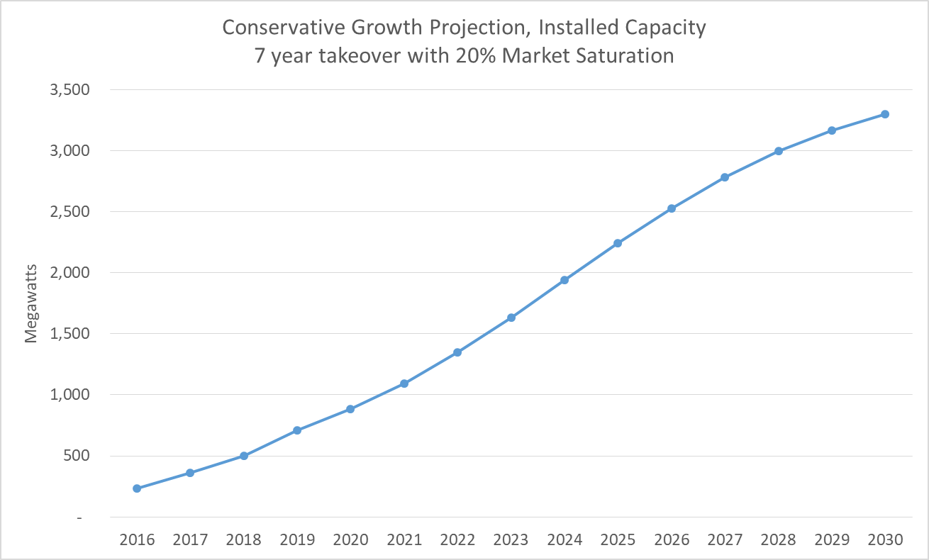
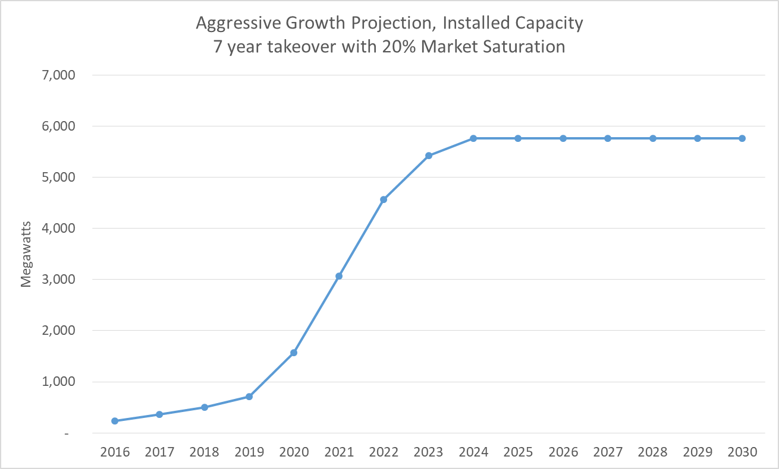
Rooftop Solar Photovoltaic Capacity Projections, 2020-2029

The charts below show three scenarios -- moderate, aggressive, and conservative -- for the long-term installed capacity growth of solar rooftop PV systems in the ERCOT Region. ERCOT developed the forecasts using a logistic growth or "S-curve" model of the type that is frequently used for technology diffusion forecasting. The model and its initial parameters were presented to stakeholders at the Supply Analysis Working Group (SAWG) meeting on April 12, 2019. The charts represent the final forecasts based on parameter refinements agreed to during SAWG meetings in late 2019 and early 2020. Note that these scenario forecasts are independent of the rooftop solar PV forecast incorporated into the new long term load forecast, and are not used in the reserve margin calculations. Also note the following:
 | • The Takeover Time referenced in the charts is a model parameter that specifies the amount of time that the rooftop solar PV systems are in the accelerating growth stage.
 | • The Market Saturation Rate is another model parameter that represents the maximum expected penetration based on an upper limit once the market becomes mature. There are other model parameters that are used to refine the shape of the logistic curve.
 | • The upper limit for installed capacity (total market potential) is based on an ERCOT metropolitan solar PV rooftop potentials study conducted by AWS Truepower, along with ERCOT assumptions regarding market potential for non-metro areas. The total market potential is estimated at 23,041 MW.
 | • Additional information on forecast development can be found using the following links to SAWG meeting webpages and presentation files:
 | http://www.ercot.com/calendar/2019/4/12/172702-SAWG
 | http://www.ercot.com/content/wcm/key_documents_lists/190770/SAWG__Meeting_Solar_PV_Discussion_10-31-2019.pptx
 | http://www.ercot.com/content/wcm/key_documents_lists/172749/SAWG__Meeting_12-13-2019_Solar_PV_Forecast_Discussion.pptx
 | http://www.ercot.com/content/wcm/key_documents_lists/195745/SAWG_April_2020_Solar_PV_Growth_Projection_Discussion.pptx

