DAM Example 1
Determine Awards that Maximize the Objective Value subject to transmission constraints shown below

QSE | Product | Bid or Offer | Location | MW | Price | Award MW | Bid-based Revenues | – | Offer-based Costs | = | Objective Value
QSE 1 | Energy | Offer | A | 100 | $20 |  | $0 | – | $0 | = | $0
QSE 2 | Energy | Offer | C | 60 | $30
QSE 3 | Energy | Bid | D | 90 | $40

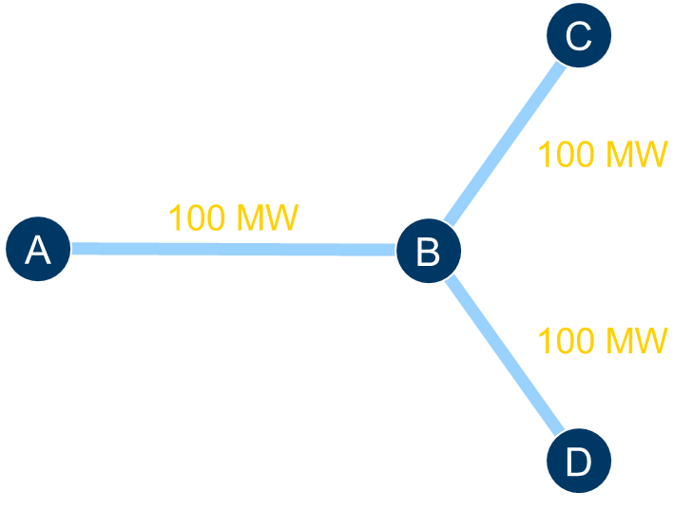

 |  |  |  |  |  |  | Power is balanced

 | LMPA | LMPB | LMPC | LMPD

