Instructions
Report Instructions:
This form is used to comply with the reporting requirements for Non-Opt-In Entities as defined in Nodal Protocols Section 3.2.5.1 (included below). This form is used for both the quarterly and annual reports. First follow the flow chart to the right to determine the reporting requirements for your NOIE. Then fill in the "TDSP Info" and "NOIE DG Info" tabs by following the detailed instructions on each tab. The completed quarterly report should be returned to ERCOT according to the following schedule. If your NOIE does not have any unregistered DG to report for the quarterly report, send an email to DGReports@ercot.com indicating that you have no DG to report.
Q1 report: Within ten business days after March 31
Q2 report: Within ten business days after June 30
Q3 report: Within ten business days after September 30
Q4 report: Within ten business days after December 31
The completed annual report should be returned to ERCOT by March 1. If your NOIE does not have any unregistered DG to report for the annual report, send an email to DGReports@ercot.com indicating that you have no DG to report.
Once the form is complete, please submit it to the following ERCOT email address:
DGReports@ercot.com
The subject line on the form should be as follows:
“NOIE Unregistered DG Report 2019-QTR2" (change the year and quarter number to reflect the current reporting period)
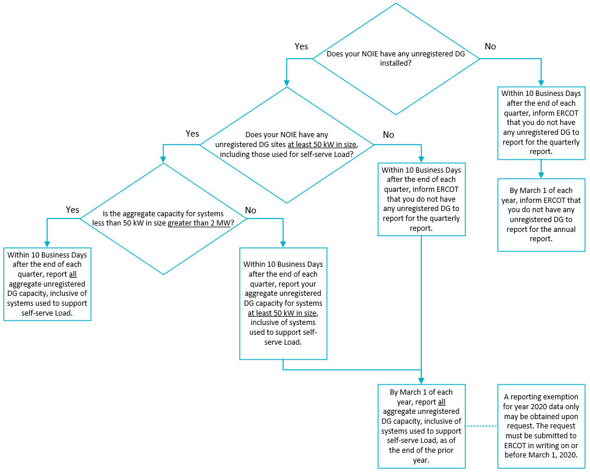

Nodal Protocols Section 3.2.5.1 Unregistered Distributed Generation Reporting Requirements for Non Opt-In Entities:
(1) This Section describes the data that shall be submitted to ERCOT for the unregistered Distributed Generation (DG) behind Non-Opt-In Entity (NOIE) boundary metering points.
(2) Within ten Business Days after the end of each quarter, each NOIE shall submit to ERCOT electronically the required data described below as of the last day of the prior quarter by submitting the designated form provided on the ERCOT website. NOIEs that have an unregistered DG capacity of more than two MW, based upon the aggregate capacity of all sites that are less than 50 kW, shall report the total of all unregistered DG MW capacity, inclusive of systems used to support self-serve Load. All other NOIEs shall report the aggregate unregistered DG capacity of only those sites greater than or equal to 50 kW, inclusive of systems used to support self-serve Load. NOIEs shall report their capacity by Load Zone and by primary fuel type as follows:
(a) Solar;
(b) Wind;
(c) Other renewable; and
(d) Other non-renewable.
(3) NOIEs not reporting DG MW capacity less than 50 kW on a quarterly basis as described in paragraph (2) above shall submit to ERCOT by March 1 of each year their annual aggregate unregistered DG MW capacity, inclusive of systems used to support self-serve Load, for the preceding calendar year. NOIEs shall report their capacity by Load Zone and by primary fuel type as follows:
(a) Solar;
(b) Wind;
(c) Other renewable; and
(d) Other non-renewable.
(4) Each of the above reports is required to include only the capacity known to the NOIE at the time that its report is being prepared, and shall not require the NOIE to conduct new survey activities for its service territory to identify unknown unregistered DG installations. Any NOIE may obtain a reporting exemption for the annual report required in 2020 by notifying ERCOT of the exemption claim in writing on or before March 1, 2020.

NOIE DG Info
Load Zone | Distributed Generation Installed Capacity in MW (AC)
 | SOLAR 1 |  | WIND |  | OTHER RENEWABLE 2 |  | OTHER NON-RENEWABLE 3
 | < 50 kW | ≥ 50 kW | < 50 kW | ≥ 50 kW | < 50 kW | ≥ 50 kW | < 50 kW | ≥ 50 kW
LZ_AEN
LZ_CPS
LZ_HOUSTON
LZ_LCRA
LZ_NORTH
LZ_RAYBN
LZ_SOUTH
LZ_WEST

Comments

Instructions:
Complete the table by inserting the installed MW (AC) nameplate capacity for the applicable load zone and resource category. If the reported capacities are DC, or are known to be a combination of AC and DC values, then indicate that in the Comments cells on row 13.
Notes:
1. For solar facilities, the PV panel rating method used for capacity reporting is at the discretion of the NOIE. If PVUSA Test Condtions (PTC) ratings or something similar is available, those are preferred.
2. The Other Renewable category includes: biomass (wood/wood wastes), landfill gas, other biomass gases, and water.
3. The Other Non-Renewable category includes: bituminous coal, subbituminous coal, lignite coal, petroleum coke, distillate fuel oil, natural gas, other gases, and waste heat not directly attributed to a fuel source.
4. Aggregation of capacity to meet the 50 kW reporting threshold should only be done if there are multiple systems behind a single customer's service delivery point (as defined by the NOIE). If that aggregated capacity is greater than 50 kW (DC), then the entire capacity amount should be included in the data form. If there are such aggregated systems with different fuel types, then apportion the capacity into the appropriate categories.
For example: There is a 20 kW (DC) solar unit and a 50 kW (DC) wind turbine behind a customer’s meter. Since the total capacity is greater than 50 kW, the entire 70 kW should be reported in the data form, with 20 kW included in the solar column and 50 kW in the wind column.
5. An explanation for major changes to reported amounts relative to the prior reporting period may be included in the Comments cells on row 13. This information, although voluntary, is helpful in understanding capacity trends.
6. Reporting of battery energy storage systems is not required at this time. However, if the reported capacities in any of the fuel type columns are known to include battery storage systems, please indicate that in the Comments cells on row 13.

