GINR Trends
GINR Trends, 36 Months: December 2014 through December 2017

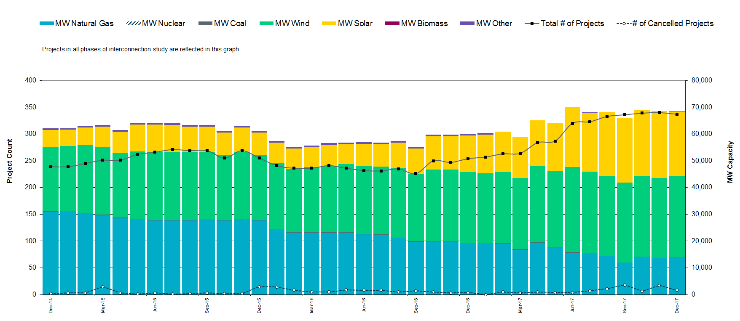
 |  |  |  | Project Count |  |  |  |  |  |  |  |  |  |  |  |  |  | Capacity (GW)
 |  |  |  | GINR milestones |  |  |  |  |  |  | Fuel Type |  |  |  |  |  |  | GINR Project milestones |  |  |  |  |  |  | Fuel Type
 | Year | Month | Project Total Count | SSS Underway | SSS Completed | FIS Underway | FIS Completed | Signed IA | Part 1 | Cancelled | Wind | Solar | Gas | Nuclear | Coal | Biomass | Other | SSS Underway | SSS Completed | FIS Underway | FIS Completed | Signed IA | Part 1 | Cancelled | Wind | Solar | Gas | Nuclear | Coal | Biomass | Other
 | 2014 | Dec | 250 | 2 | 20 | 150 | 10 | 70 | 5 | 5 | 120 | 35 | 150 | - | - | - | - | 0 | 4 | 29 | 2 | 13 | 1 | 1 | 20 | 6 | 25 | - | - | - | -
 | 2015 | Jan | 253 | 2 | 22 | 143 | 10 | 72 | 6 | 7 | 121 | 38 | 147 | - | - | - | - | 0 | 4 | 28 | 2 | 14 | 1 | 1 | 20 | 6 | 24 | - | - | - | -
 | 2015 | Feb | 256 | 2 | 23 | 147 | 10 | 73 | 3 | 5 | 122 | 41 | 144 | - | - | - | - | 0 | 4 | 28 | 2 | 14 | 1 | 1 | 20 | 7 | 24 | - | - | - | -
 | 2015 | Mar | 252 | 3 | 25 | 158 | 10 | 75 | 7 | 4 | 123 | 44 | 141 | - | - | - | - | 0 | 5 | 29 | 2 | 14 | 1 | 1 | 21 | 7 | 24 | - | - | - | -
 | 2015 | Apr | 269 | 3 | 26 | 145 | 11 | 76 | 3 | 3 | 125 | 47 | 139 | - | - | - | - | 1 | 5 | 28 | 2 | 15 | 1 | 1 | 21 | 8 | 23 | - | - | - | -
 | 2015 | May | 269 | 3 | 28 | 140 | 11 | 78 | 7 | 4 | 126 | 50 | 136 | - | - | - | - | 1 | 5 | 27 | 2 | 15 | 1 | 1 | 21 | 8 | 23 | - | - | - | -
 | 2015 | Jun | 252 | 3 | 30 | 148 | 11 | 79 | 6 | 4 | 127 | 53 | 133 | - | - | - | - | 1 | 6 | 28 | 2 | 15 | 1 | 1 | 22 | 9 | 23 | - | - | - | -
 | 2015 | Jul | 255 | 4 | 31 | 145 | 11 | 81 | 3 | 3 | 128 | 56 | 130 | - | - | - | - | 1 | 6 | 28 | 2 | 16 | 1 | 1 | 22 | 10 | 22 | - | - | - | -
 | 2015 | Aug | 266 | 4 | 33 | 149 | 11 | 83 | 6 | 6 | 129 | 59 | 127 | - | - | - | - | 1 | 6 | 28 | 2 | 15 | 1 | 1 | 22 | 10 | 22 | - | - | - | -
 | 2015 | Sep | 256 | 4 | 34 | 160 | 11 | 84 | 5 | 8 | 130 | 62 | 124 | - | - | - | - | 1 | 6 | 29 | 2 | 15 | 1 | 1 | 23 | 11 | 22 | - | - | - | -
 | 2015 | Oct | 258 | 4 | 36 | 147 | 11 | 86 | 7 | 3 | 131 | 65 | 121 | - | - | - | - | 1 | 7 | 28 | 2 | 16 | 1 | 1 | 23 | 11 | 21 | - | - | - | -
 | 2015 | Nov | 268 | 5 | 38 | 159 | 12 | 87 | 6 | 3 | 133 | 68 | 119 | - | - | - | - | 1 | 7 | 29 | 2 | 16 | 1 | 1 | 23 | 12 | 21 | - | - | - | -
 | 2015 | Dec | 257 | 5 | 39 | 156 | 12 | 89 | 5 | 3 | 134 | 71 | 116 | - | - | - | - | 1 | 7 | 28 | 2 | 16 | 1 | 1 | 24 | 12 | 20 | - | - | - | -
 | 2016 | Jan | 259 | 5 | 41 | 148 | 12 | 90 | 6 | 7 | 135 | 74 | 113 | - | - | - | - | 1 | 8 | 27 | 2 | 17 | 1 | 1 | 24 | 13 | 20 | - | - | - | -
 | 2016 | Feb | 267 | 5 | 42 | 151 | 12 | 92 | 3 | 3 | 136 | 77 | 110 | - | - | - | - | 1 | 8 | 28 | 2 | 17 | 1 | 1 | 24 | 14 | 20 | - | - | - | -
 | 2016 | Mar | 253 | 6 | 44 | 153 | 12 | 94 | 7 | 7 | 137 | 80 | 107 | - | - | - | - | 1 | 8 | 28 | 2 | 17 | 1 | 1 | 25 | 14 | 19 | - | - | - | -
 | 2016 | Apr | 257 | 6 | 46 | 153 | 12 | 95 | 5 | 6 | 138 | 83 | 104 | - | - | - | - | 1 | 8 | 28 | 2 | 17 | 1 | 1 | 25 | 15 | 19 | - | - | - | -
 | 2016 | May | 254 | 6 | 47 | 145 | 12 | 97 | 3 | 4 | 139 | 86 | 101 | - | - | - | - | 1 | 9 | 27 | 2 | 18 | 1 | 1 | 25 | 16 | 18 | - | - | - | -
 | 2016 | Jun | 270 | 6 | 49 | 147 | 13 | 98 | 6 | 8 | 141 | 89 | 99 | - | - | - | - | 1 | 9 | 27 | 2 | 18 | 1 | 1 | 26 | 16 | 18 | - | - | - | -
 | 2016 | Jul | 259 | 6 | 50 | 159 | 13 | 100 | 5 | 5 | 142 | 92 | 96 | - | - | - | - | 1 | 9 | 28 | 2 | 18 | 1 | 1 | 26 | 17 | 17 | - | - | - | -
 | 2016 | Aug | 263 | 7 | 52 | 144 | 13 | 101 | 7 | 5 | 143 | 95 | 93 | - | - | - | - | 1 | 10 | 27 | 2 | 19 | 1 | 1 | 26 | 17 | 17 | - | - | - | -
 | 2016 | Sep | 253 | 7 | 54 | 158 | 13 | 103 | 4 | 7 | 144 | 98 | 90 | - | - | - | - | 1 | 9 | 28 | 2 | 18 | 1 | 1 | 27 | 18 | 17 | - | - | - | -
 | 2016 | Oct | 268 | 7 | 55 | 143 | 13 | 105 | 7 | 4 | 145 | 101 | 87 | - | - | - | - | 1 | 10 | 26 | 2 | 19 | 1 | 1 | 27 | 19 | 16 | - | - | - | -
 | 2016 | Nov | 250 | 7 | 57 | 142 | 13 | 106 | 4 | 7 | 146 | 104 | 84 | - | - | - | - | 1 | 10 | 26 | 2 | 20 | 1 | 1 | 27 | 19 | 16 | - | - | - | -
 | 2016 | Dec | 285 | 8 | 58 | 155 | 13 | 108 | 5 | 4 | 147 | 107 | 81 | - | - | - | - | 1 | 10 | 28 | 2 | 19 | 1 | 1 | 28 | 20 | 15 | - | - | - | -
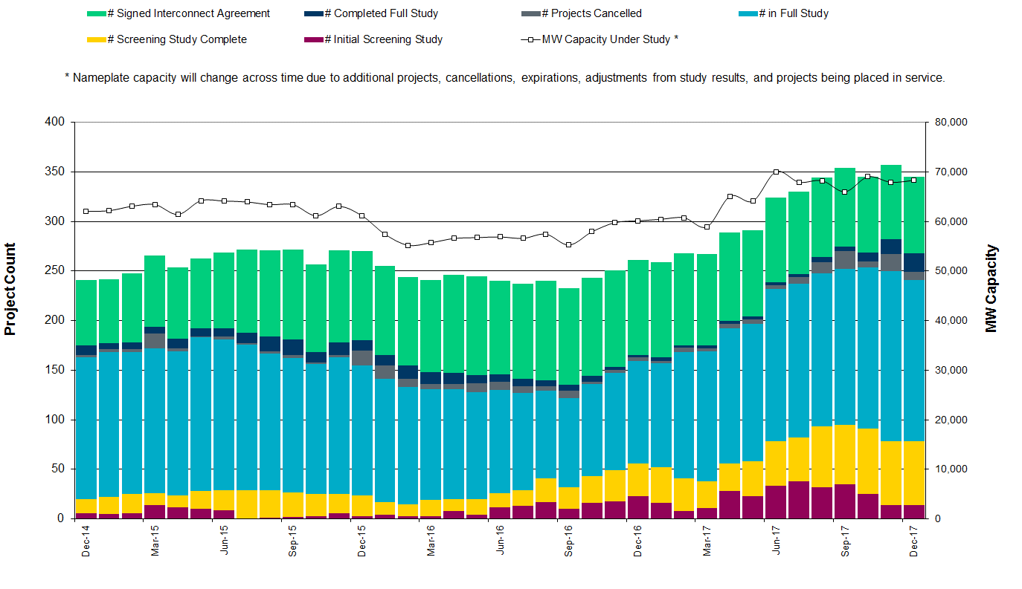
 | 2017 | Jan | 269 | 8 | 60 | 152 | 14 | 109 | 4 | 4 | 149 | 110 | 79 | - | - | - | - | 1 | 11 | 27 | 2 | 20 | 1 | 1 | 28 | 21 | 15 | - | - | - | -
 | 2017 | Feb | 312 | 8 | 62 | 156 | 14 | 111 | 6 | 3 | 150 | 113 | 76 | - | - | - | - | 1 | 11 | 28 | 2 | 20 | 1 | 1 | 28 | 21 | 14 | - | - | - | -
 | 2017 | Mar | 312 | 8 | 63 | 151 | 14 | 112 | 4 | 5 | 151 | 116 | 73 | - | - | - | - | 2 | 11 | 27 | 2 | 20 | 1 | 1 | 29 | 22 | 14 | - | - | - | -
 | 2017 | Apr | 320 | 9 | 65 | 158 | 14 | 114 | 7 | 8 | 152 | 119 | 70 | - | - | - | - | 1 | 11 | 27 | 2 | 20 | 1 | 1 | 29 | 23 | 13 | - | - | - | -
 | 2017 | May | 330 | 9 | 66 | 159 | 14 | 116 | 3 | 7 | 153 | 122 | 67 | - | - | - | - | 2 | 12 | 28 | 2 | 20 | 1 | 1 | 29 | 23 | 13 | - | - | - | -
 | 2017 | Jun | 315 | 9 | 68 | 140 | 14 | 117 | 7 | 7 | 154 | 125 | 64 | - | - | - | - | 2 | 12 | 25 | 3 | 21 | 1 | 1 | 30 | 24 | 12 | - | - | - | -
 | 2017 | Jul | 339 | 9 | 70 | 142 | 14 | 119 | 6 | 4 | 155 | 128 | 61 | - | - | - | - | 2 | 13 | 26 | 3 | 22 | 1 | 1 | 30 | 25 | 12 | - | - | - | -
 | 2017 | Aug | 295 | 10 | 71 | 159 | 15 | 120 | 4 | 8 | 157 | 131 | 59 | - | - | - | - | 2 | 12 | 28 | 3 | 21 | 1 | 1 | 30 | 25 | 11 | - | - | - | -
 | 2017 | Sep | 294 | 10 | 73 | 146 | 15 | 122 | 5 | 7 | 158 | 134 | 56 | - | - | - | - | 2 | 13 | 26 | 3 | 22 | 1 | 1 | 31 | 26 | 11 | - | - | - | -
 | 2017 | Oct | 330 | 10 | 74 | 143 | 15 | 123 | 6 | 4 | 159 | 137 | 53 | - | - | - | - | 2 | 13 | 26 | 3 | 22 | 1 | 1 | 31 | 27 | 10 | - | - | - | -
 | 2017 | Nov | 336 | 10 | 76 | 149 | 15 | 125 | 7 | 3 | 160 | 140 | 50 | - | - | - | - | 2 | 14 | 27 | 3 | 22 | 1 | 1 | 31 | 27 | 10 | - | - | - | -
 | 2017 | Dec | 350 | 10 | 60 | 150 | 15 | 125 | 5 | 5 | 160 | 140 | 50 | - | - | - | - | 2 | 11 | 28 | 3 | 23 | 1 | 1 | 31 | 27 | 10 | - | - | - | -

 |  |  | Fuel
 | CDR Zone | Year | Wind | Solar | Gas | Storage | Grand Total
 | Coastal | 2018 | 253 | - | 96 | - | 349
 |  | 2019 | 3,701 | 620 | 447 | - | 4,768
 |  | 2020 | 4,177 | 941 | 1,318 | - | 6,436
 | Houston | 2018 | - | - | 796 | - | 796
 |  | 2019 | - | 640 | 896 | - | 1,536
 |  | 2021 | - | 640 | 1,358 | - | 1,998
 | West | 2017 | 1,015 | 7 | - | - | 1,023
 |  | 2018 | 4,428 | 1,023 | - | - | 5,451
 |  | 2019 | 13,396 | 11,870 | 1,703 | - | 26,969
 |  | 2020 | 15,462 | 13,289 | 1,703 | - | 30,454
 |  | 2021 | 16,176 | 13,489 | 1,703 | - | 31,368
 | North | 2018 | 200 | - | 226 | - | 426
 |  | 2019 | 1,153 | 2,853 | 3,423 | - | 7,428
 |  | 2020 | 2,059 | 3,586 | 5,028 | - | 10,672
 |  | 2021 | 2,161 | 3,586 | 5,828 | - | 11,574
 | Panhandle | 2018 | 1,362 | - | - | - | 1,362
 |  | 2019 | 5,587 | 1,342 | - | - | 6,929
 |  | 2020 | 6,761 | 2,542 | - | - | 9,302
 |  | 2021 | 7,011 | 2,542 | - | - | 9,552
 |  | 2023 | 7,361 | 2,542 | - | - | 9,902
 | South | 2018 | 1,148 | - | 100 | - | 1,248
 |  | 2019 | 4,305 | 1,833 | 3,678 | - | 9,816
 |  | 2020 | 4,705 | 2,206 | 3,678 | 30 | 10,619

