Solar Chart
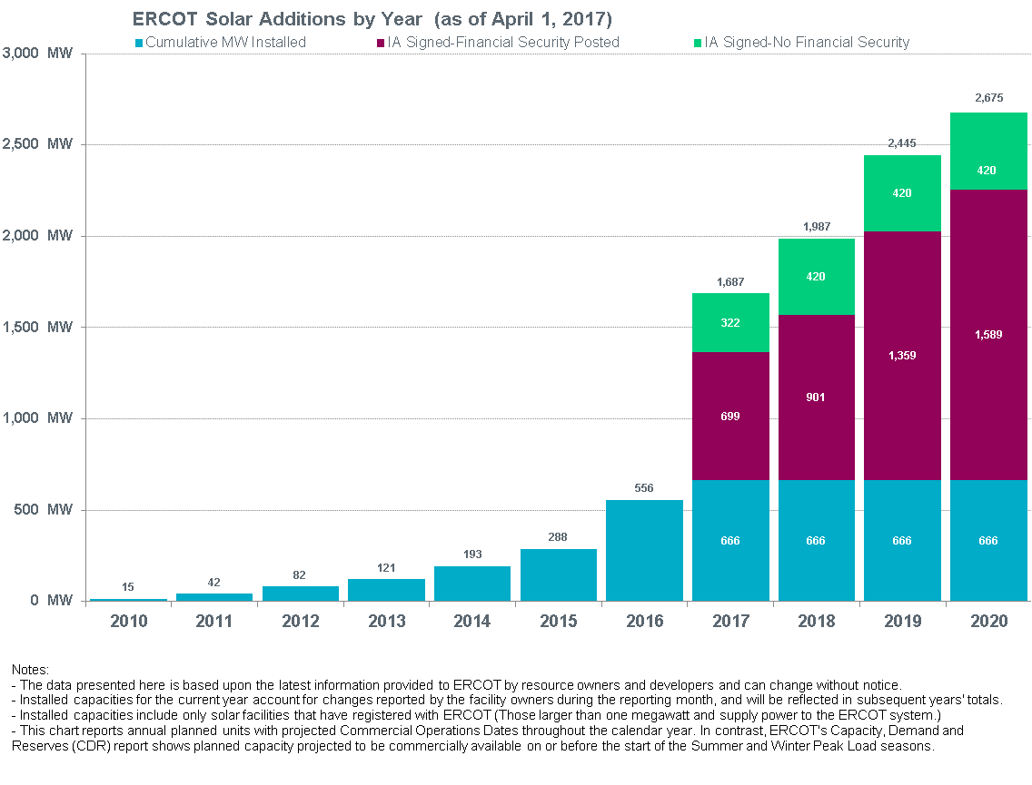
INR | ProjectName | County | Status | Projected Date | IA Signed | Fuel | TypeCode | MWForGrid | Year | FS Posted
16INR0073 | East Pecos Solar | Pecos | PLANNED | 2017-03-01 | 2015-03-06 | SOLAR | PV | 120 | 2017 | TRUE
12INR0059b | Barilla Solar 1B | Pecos | PLANNED | 2017-04-15 | 2013-12-26 | SOLAR | PV | 7 | 2017 | TRUE
16INR0023 | BNB Lamesa Solar (Phase I) | Dawson | PLANNED | 2017-04-15 | 2016-07-28 | SOLAR | PV | 102 | 2017 | TRUE
15INR0061 | SolaireHolman 1 | Brewster | PLANNED | 2017-04-25 | 2015-11-10 | SOLAR | PV | 50 | 2017 | TRUE
15INR0070_1b | Pearl Solar | Pecos | PLANNED | 2017-04-28 | 2014-12-17 | SOLAR | PV | 50 | 2017 | TRUE
16INR0065b | SP-TX-12-Phase B | Upton | PLANNED | 2017-08-15 | 2015-10-29 | SOLAR | PV | 120 | 2017 | TRUE
16INR0049 | Nazareth Solar | Castro | PLANNED | 2017-10-01 | 2015-05-15 | SOLAR | PV | 201 | 2017 | FALSE
14INR0044 | West of Pecos Solar | Reeves | PLANNED | 2017-12-01 | 2017-02-27 | SOLAR | PV | 100 | 2017 | TRUE
16INR0019 | Capricorn Ridge Solar | Coke | PLANNED | 2017-12-01 | 2015-08-19 | SOLAR | PV | 100 | 2017 | FALSE
15INR0045 | Riggins Solar | Pecos | PLANNED | 2017-12-22 | 2015-01-26 | SOLAR | PV | 150 | 2017 | TRUE
12INR0059c | Barilla Solar 2 | Pecos | PLANNED | 2017-12-31 | 2013-12-26 | SOLAR | PV | 21 | 2017 | FALSE
16INR0023b | Lamesa Solar B (Phase II) | Dawson | PLANNED | 2018-03-31 | 2015-06-25 | SOLAR | PV | 98 | 2018 | FALSE
16INR0114 | Upton Solar | Upton | PLANNED | 2018-12-01 | 2015-12-04 | SOLAR | PV | 102 | 2018 | TRUE
17INR0020a | RE Maplewood 2a Solar | Pecos | PLANNED | 2018-12-31 | 2016-02-03 | SOLAR | PV | 100 | 2018 | TRUE
15INR0059 | Pecos Solar I | Pecos | PLANNED | 2019-01-01 | 2015-06-09 | SOLAR | PV | 108 | 2019 | TRUE
16INR0065 | Castle Gap Solar | Upton | PLANNED | 2019-01-01 | 2015-09-04 | SOLAR | PV | 150 | 2019 | TRUE
17INR0020b | RE Maplewood 2b Solar | Pecos | PLANNED | 2019-12-31 | 2016-02-03 | SOLAR | PV | 100 | 2019 | TRUE
17INR0020c | RE Maplewood 2c Solar | Pecos | PLANNED | 2019-12-31 | 2016-02-03 | SOLAR | PV | 100 | 2019 | TRUE
16INR0065a | Castle Gap Solar 2 | Upton | PLANNED | 2020-01-01 | 2015-09-04 | SOLAR | PV | 30 | 2020 | TRUE
17INR0020d | RE Maplewood 2d Solar | Pecos | PLANNED | 2020-12-31 | 2016-02-03 | SOLAR | PV | 100 | 2020 | TRUE
17INR0020e | RE Maplewood 2e Solar | Pecos | PLANNED | 2020-12-31 | 2016-02-03 | SOLAR | PV | 100 | 2020 | TRUE

Project Count Chart
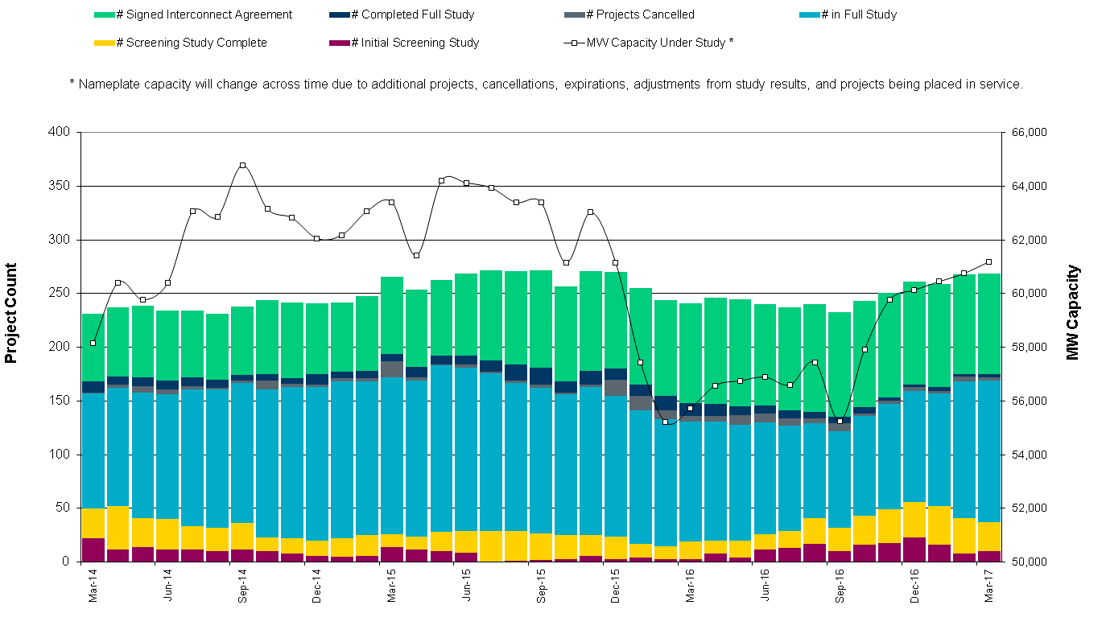

Project MW by Fuel Chart
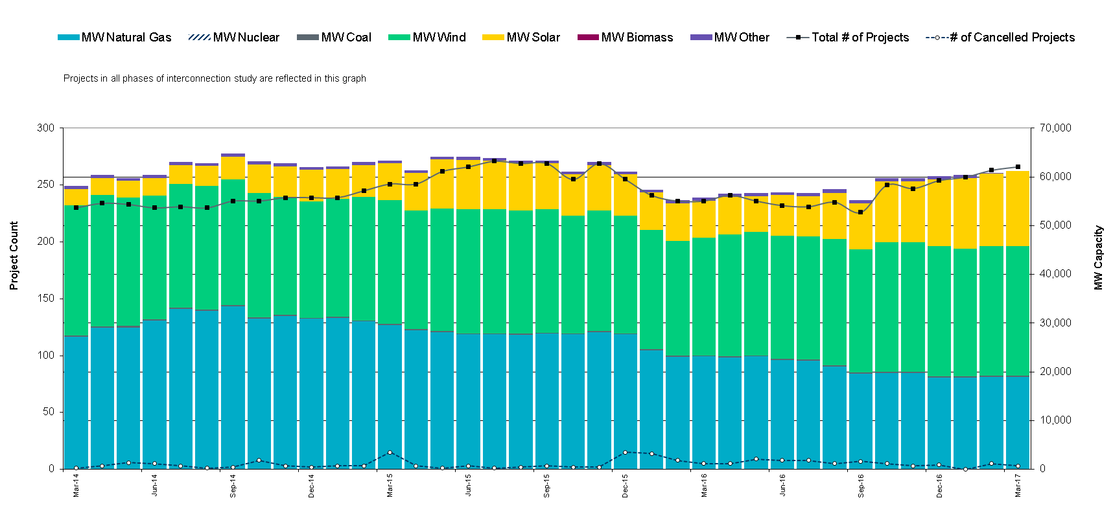

ZONE MAP
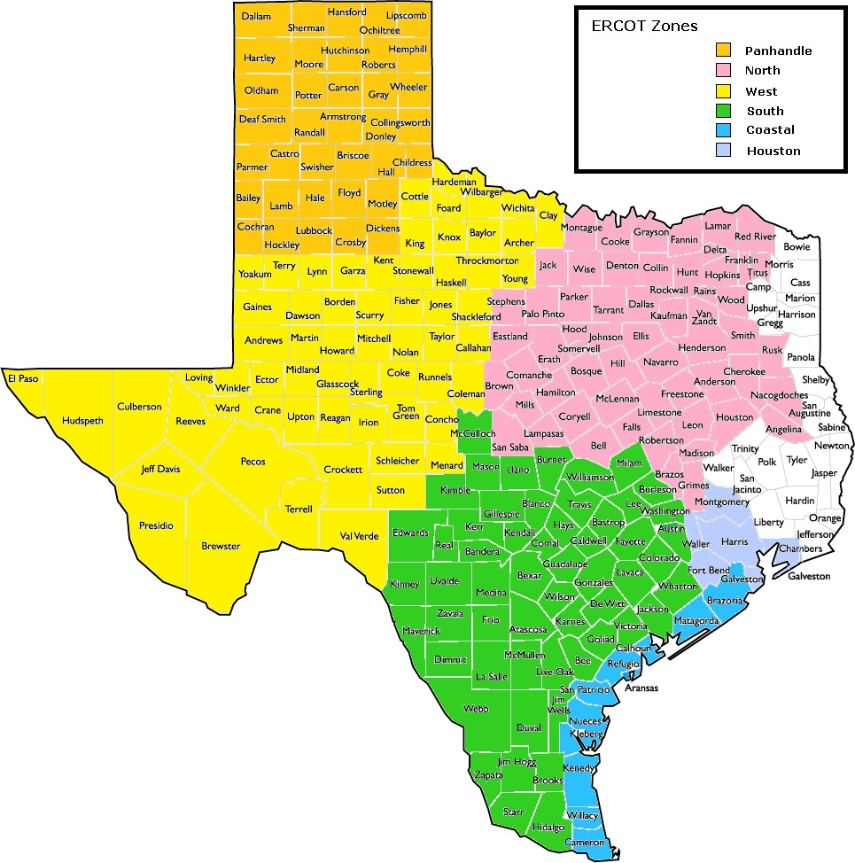

NORTH
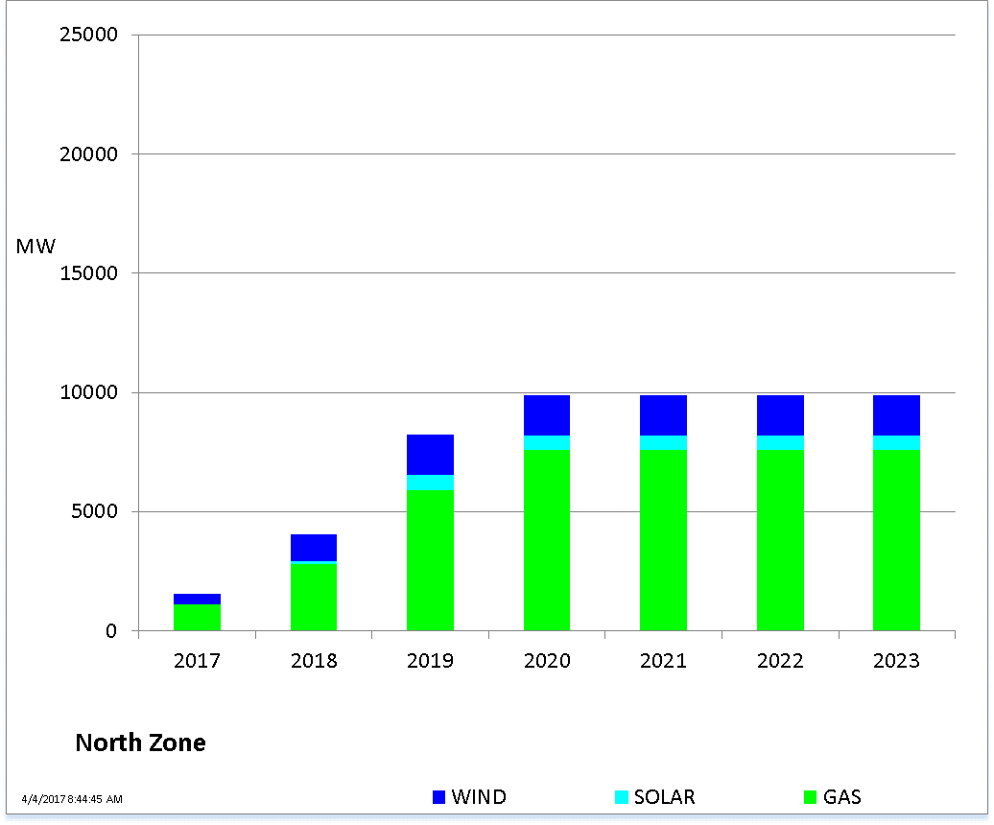

SOUTH
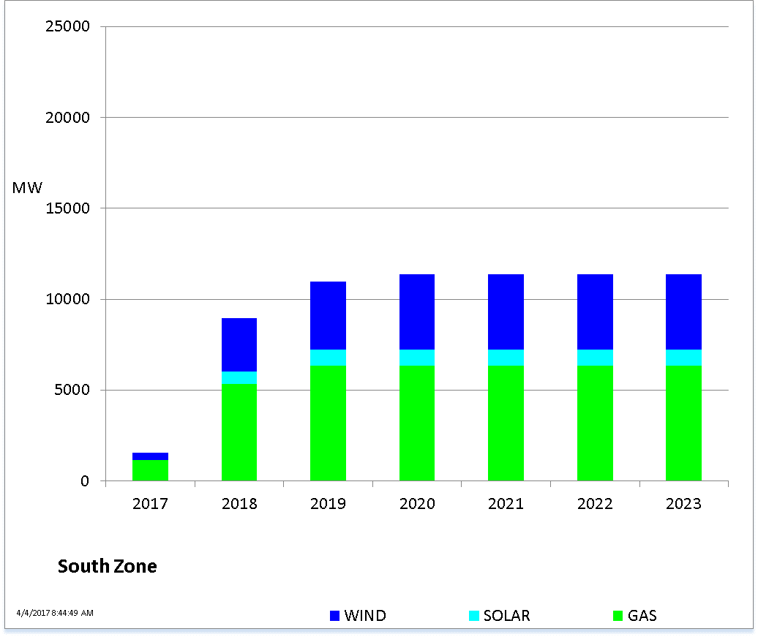

WEST
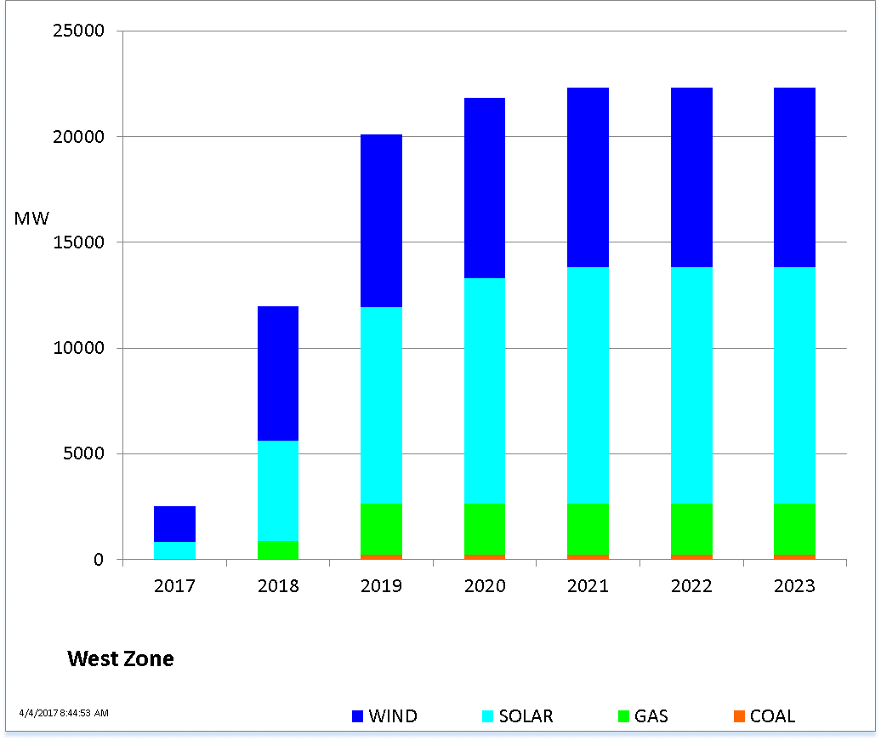

PANHANDLE
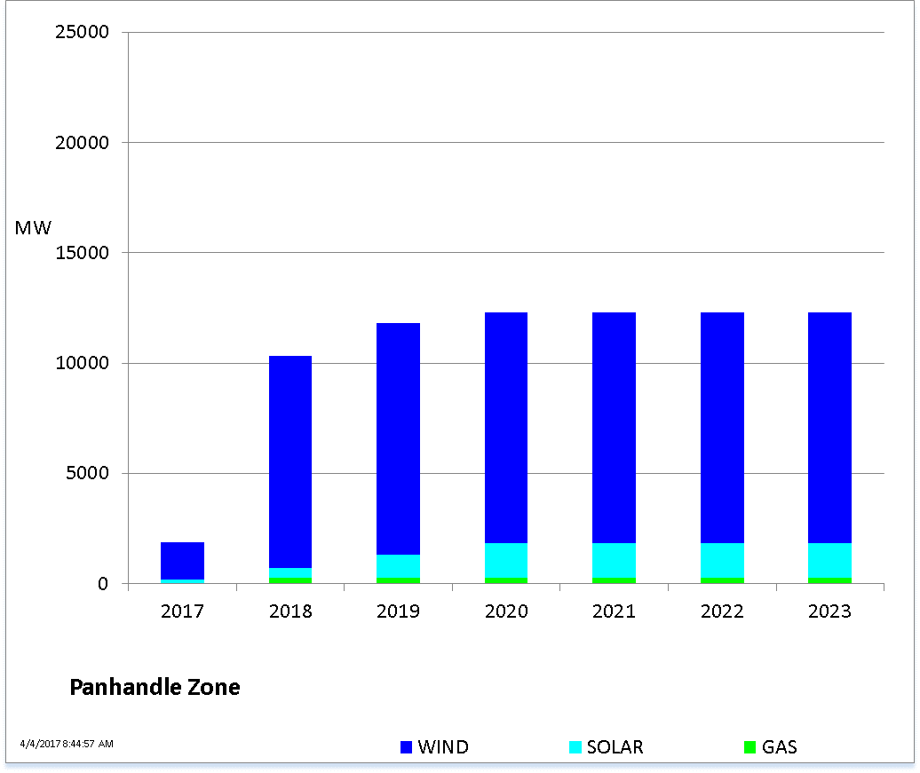

COASTAL
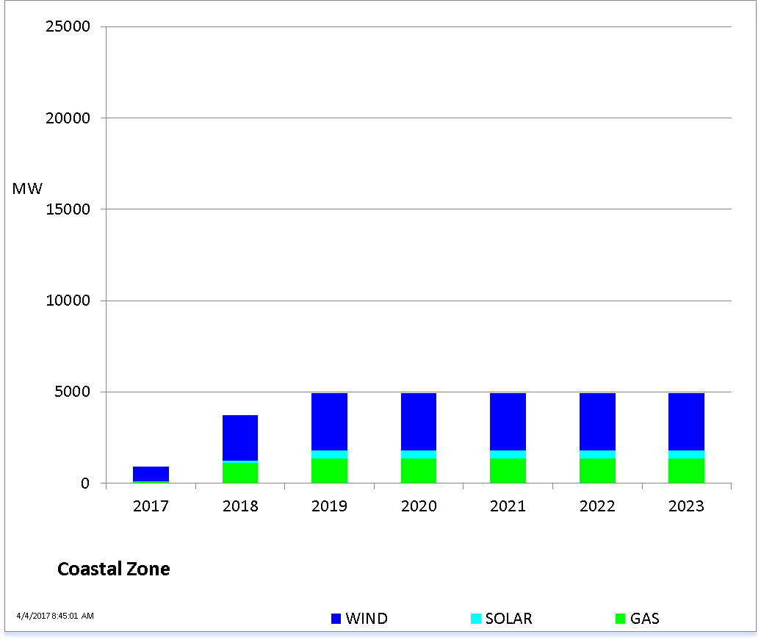

HOUSTON
