2015 MIS Availability
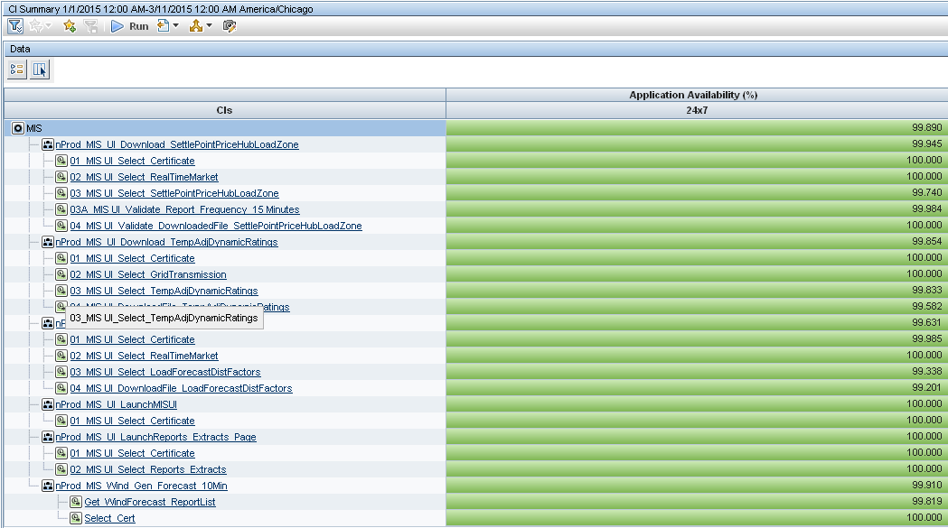
 | Market Information System (MIS)

Feb-15 | Application Availability (%)
SLA | 24x7
MIS SLA | 99.893
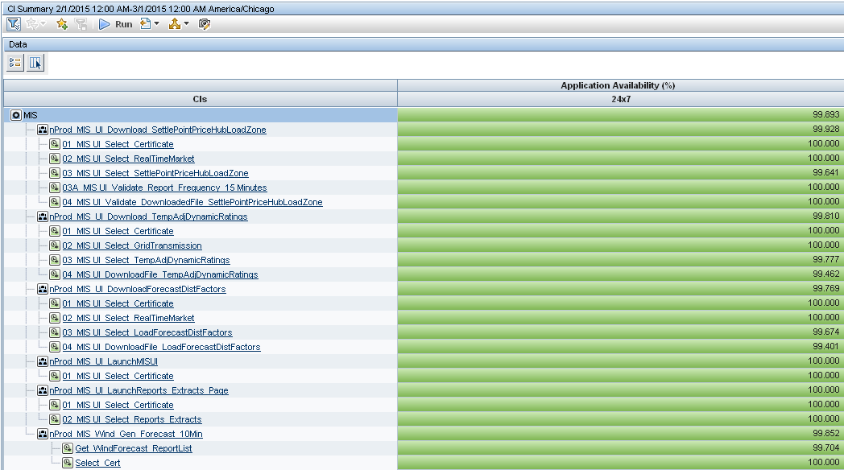

YTD - 2015 | Application Availability (%)
SLA | 24x7
MIS SLA | 99.89

2014 MIS Availability
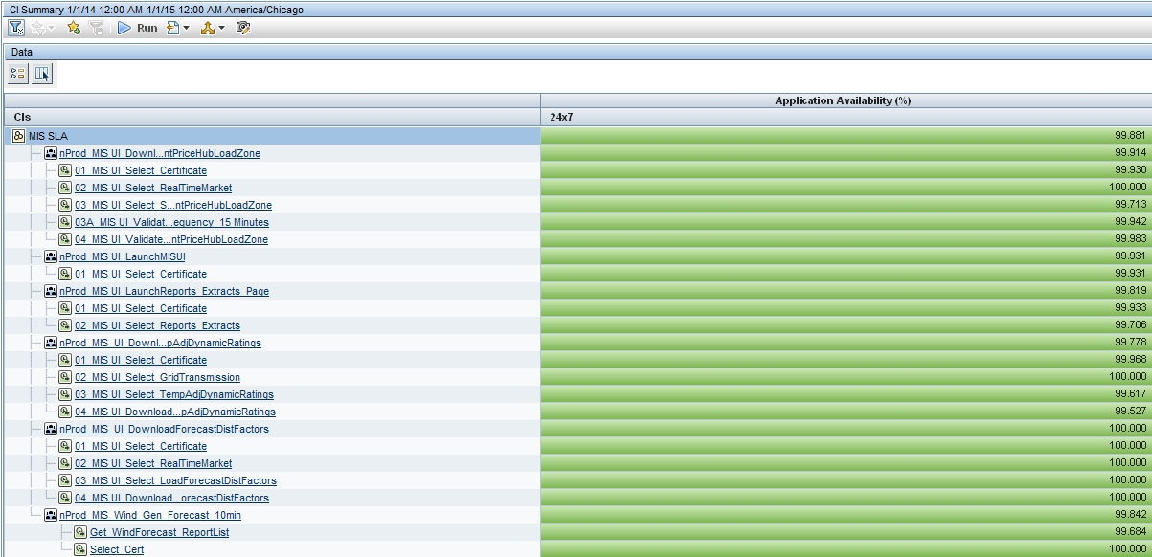
 | Market Information System (MIS)

Dec-14 | Application Availability (%)
SLA | 24x7
MIS SLA | 99.723
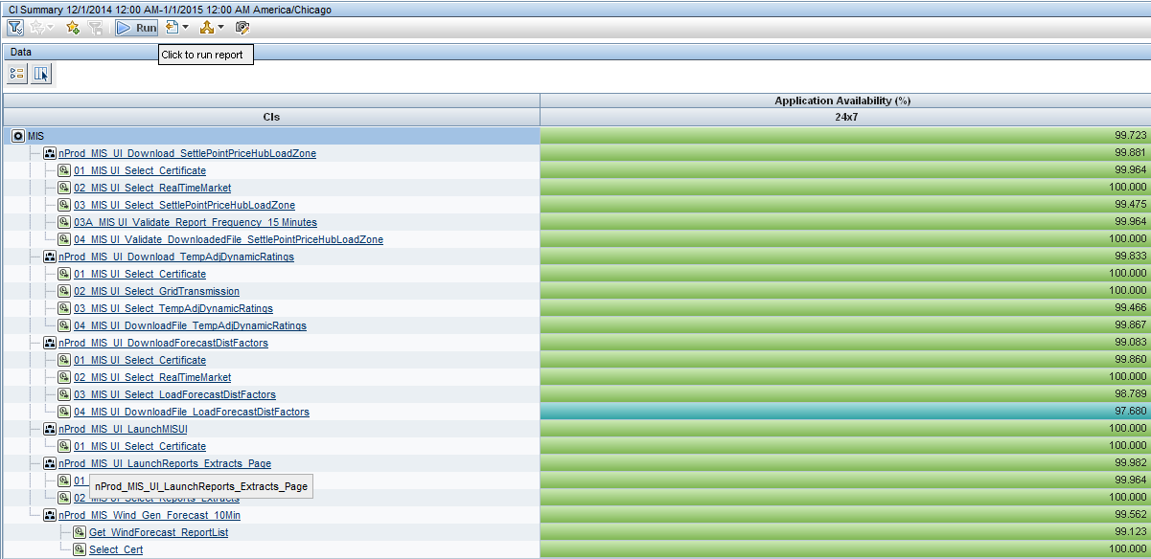

YTD - 2014 | Application Availability (%)
SLA | 24x7
MIS SLA | 99.881

