Analyzed Reads_All
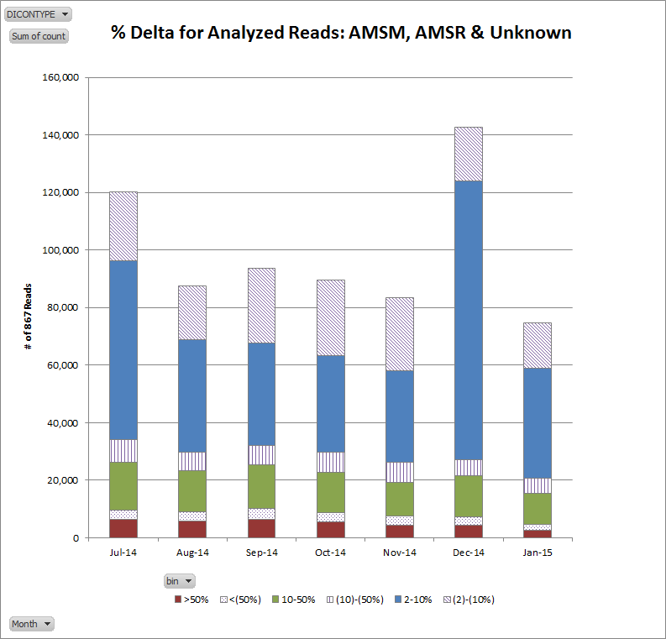
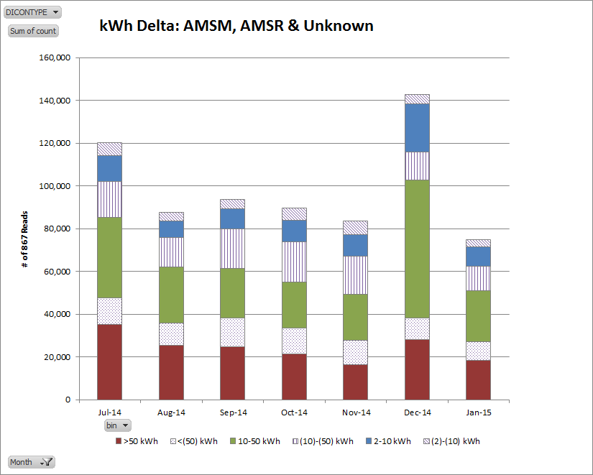

Analyzed Reads_AMSR
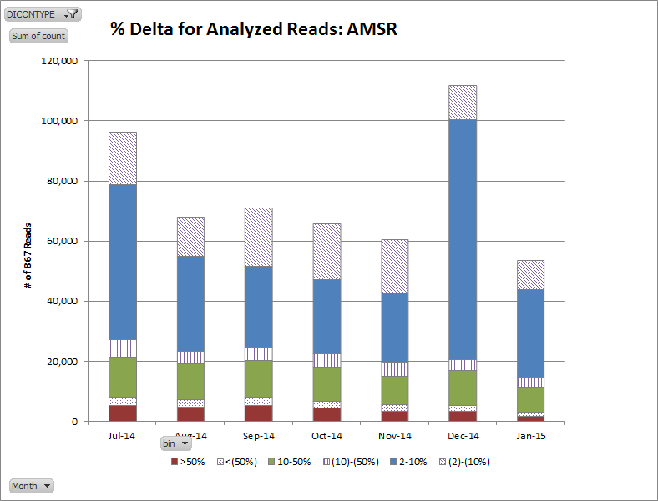
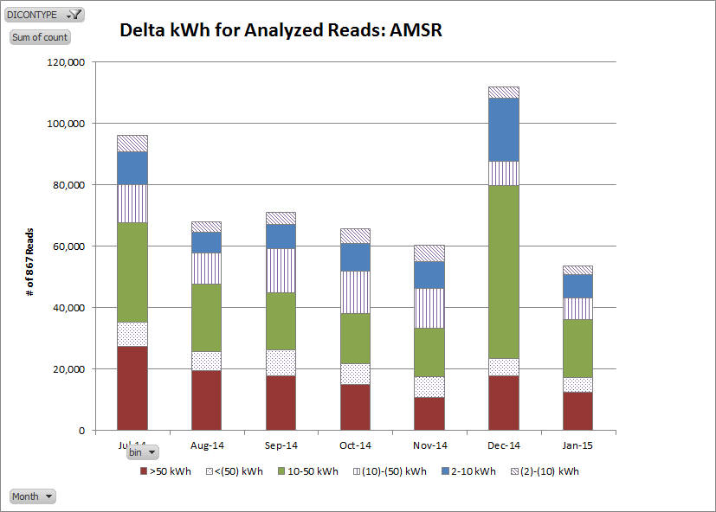

Analyzed Reads_AMSM
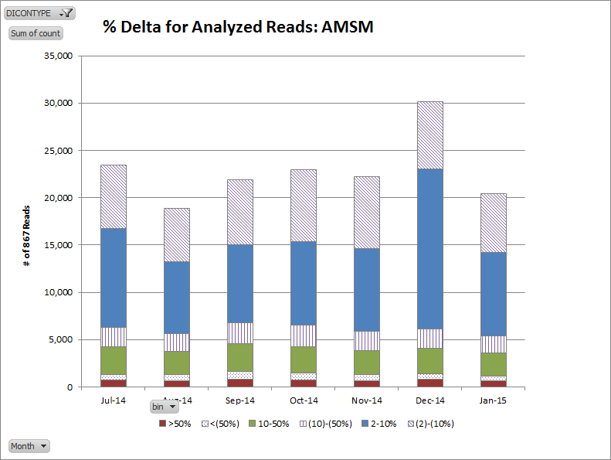
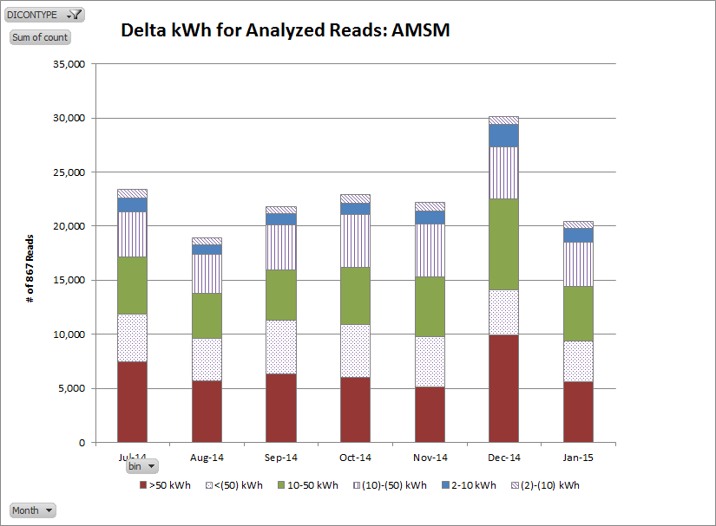

Analyzed Reads_Unkown
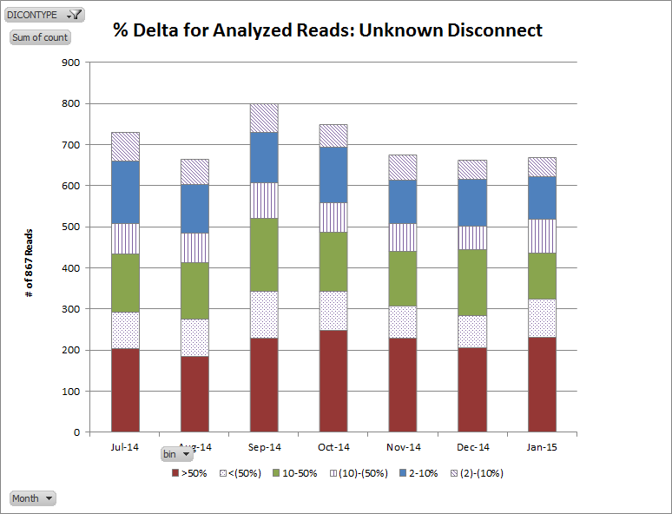
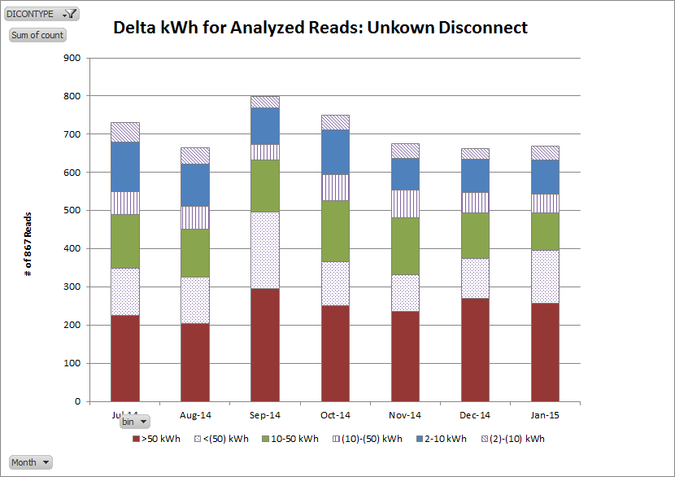

AMSR_Cycle Reads_Less Than
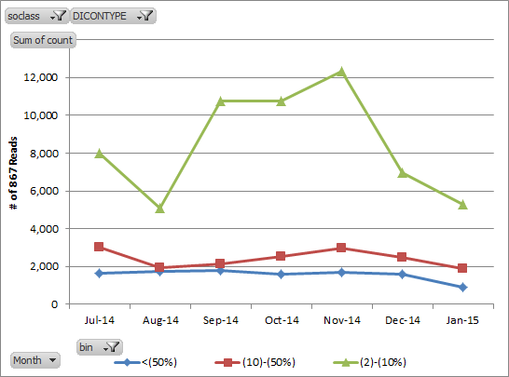
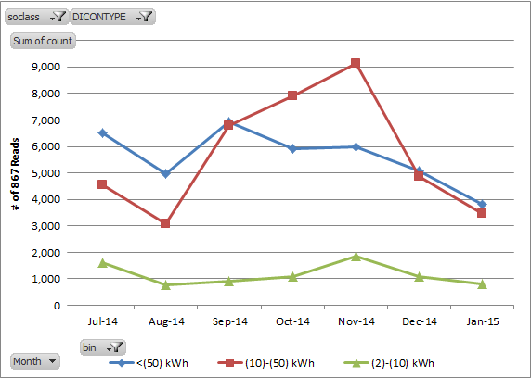
AMSR Cycle Reads - 867 kWh less than AMS kWh

% Delta | Jul-14 | Aug-14 | Sep-14 | Oct-14 | Nov-14 | Dec-14 | Jan-15 | kWh Delta | Jul-14 | Aug-14 | Sep-14 | Oct-14 | Nov-14 | Dec-14 | Jan-15
<(50%) | 1,644 | 1,752 | 1,792 | 1,606 | 1,695 | 1,583 | 927 | <(50) kWh | 6,505 | 4,976 | 6,941 | 5,898 | 5,980 | 5,073 | 3,828
(10)-(50%) | 3,041 | 1,947 | 2,123 | 2,547 | 2,955 | 2,486 | 1,908 | (10)-(50) kWh | 4,553 | 3,077 | 6,798 | 7,910 | 9,135 | 4,856 | 3,478
(2)-(10%) | 7,998 | 5,112 | 10,743 | 10,735 | 12,313 | 6,962 | 5,287 | (2)-(10) kWh | 1,625 | 758 | 919 | 1,080 | 1,848 | 1,102 | 816

AMSR_Cycle_Reads_Greater Than
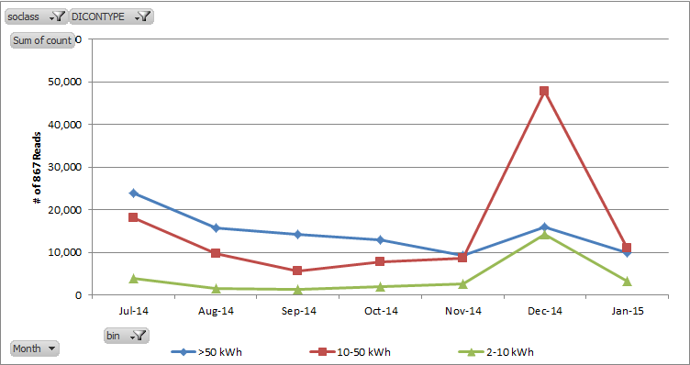
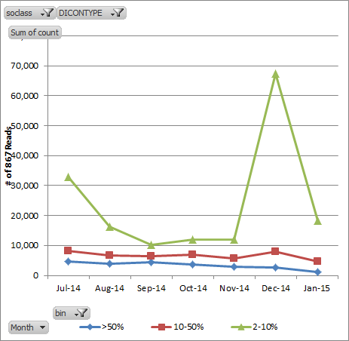
AMSR Cycle Reads - 867 kWh greater than AMS kWh

% Delta | Jul-14 | Aug-14 | Sep-14 | Oct-14 | Nov-14 | Dec-14 | Jan-15 | kWh Delta | Jul-14 | Aug-14 | Sep-14 | Oct-14 | Nov-14 | Dec-14 | Jan-15
>50% | 4,579 | 3,972 | 4,294 | 3,727 | 2,833 | 2,639 | 1,233 | >50 kWh | 23,783 | 15,749 | 14,097 | 12,954 | 9,267 | 15,962 | 9,874
10-50% | 8,238 | 6,698 | 6,485 | 6,996 | 5,551 | 7,825 | 4,739 | 10-50 kWh | 17,988 | 9,695 | 5,626 | 7,783 | 8,605 | 47,713 | 11,013
2-10% | 32,856 | 16,308 | 10,211 | 11,999 | 12,062 | 67,441 | 18,179 | 2-10 kWh | 3,902 | 1,534 | 1,267 | 1,985 | 2,574 | 14,230 | 3,264

AMSR_Move InOut_Less Than
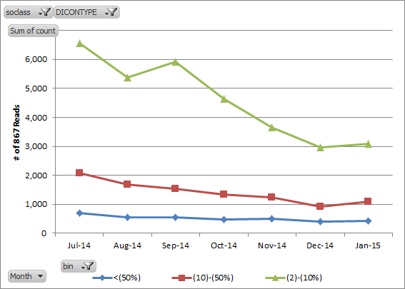
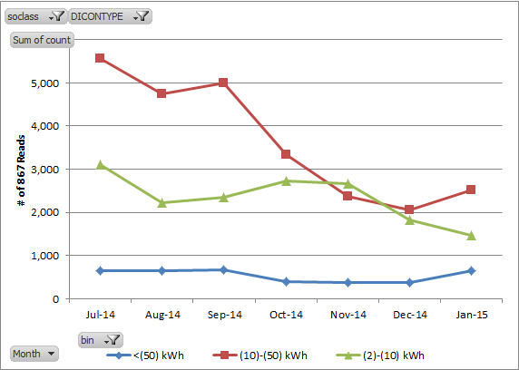
AMSR Move In/Out - 867 kWh less than AMS kWh

% Delta | Jul-14 | Aug-14 | Sep-14 | Oct-14 | Nov-14 | Dec-14 | Jan-15 | kWh Delta | Jul-14 | Aug-14 | Sep-14 | Oct-14 | Nov-14 | Dec-14 | Jan-15
<(50%) | 709 | 563 | 563 | 488 | 497 | 407 | 440 | <(50) kWh | 662 | 648 | 669 | 391 | 370 | 388 | 643
(10)-(50%) | 2,086 | 1,693 | 1,532 | 1,339 | 1,233 | 911 | 1,097 | (10)-(50) kWh | 5,566 | 4,745 | 4,995 | 3,341 | 2,364 | 2,068 | 2,514
(2)-(10%) | 6,545 | 5,369 | 5,919 | 4,628 | 3,664 | 2,967 | 3,087 | (2)-(10) kWh | 3,112 | 2,232 | 2,350 | 2,723 | 2,660 | 1,829 | 1,467

AMSR_MoveInOut_Greater Than
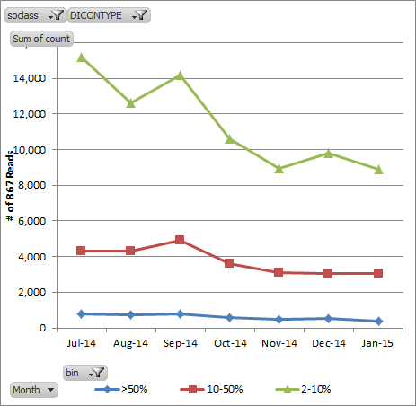
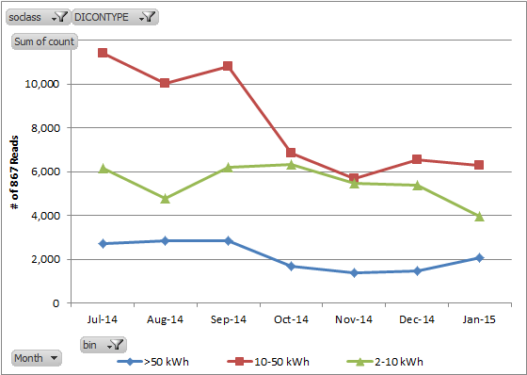
AMSR Move In/Out - 867 kWh greater than AMS kWh

% Delta | Jul-14 | Aug-14 | Sep-14 | Oct-14 | Nov-14 | Dec-14 | Jan-15 | kWh Delta | Jul-14 | Aug-14 | Sep-14 | Oct-14 | Nov-14 | Dec-14 | Jan-15
>50% | 769 | 752 | 761 | 588 | 471 | 531 | 398 | >50 kWh | 2,719 | 2,837 | 2,819 | 1,657 | 1,369 | 1,476 | 2,070
10-50% | 4,315 | 4,309 | 4,888 | 3,606 | 3,093 | 3,058 | 3,027 | 10-50 kWh | 11,407 | 10,043 | 10,811 | 6,821 | 5,682 | 6,524 | 6,268
2-10% | 15,210 | 12,616 | 14,194 | 10,593 | 8,943 | 9,808 | 8,878 | 2-10 kWh | 6,168 | 4,797 | 6,213 | 6,309 | 5,456 | 5,397 | 3,965

AMSR_Switch_Less Than
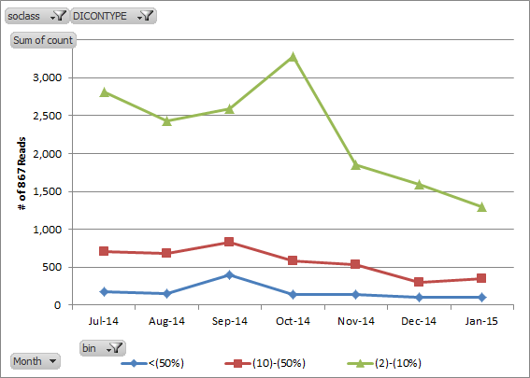
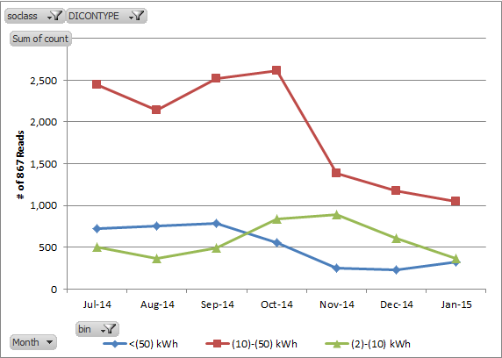
AMSR Switch - 867 kWh less than AMS kWh

% Delta | Jul-14 | Aug-14 | Sep-14 | Oct-14 | Nov-14 | Dec-14 | Jan-15 | kWh Delta | Jul-14 | Aug-14 | Sep-14 | Oct-14 | Nov-14 | Dec-14 | Jan-15
<(50%) | 172 | 152 | 396 | 136 | 146 | 106 | 100 | <(50) kWh | 724 | 758 | 792 | 558 | 252 | 229 | 329
(10)-(50%) | 702 | 681 | 825 | 586 | 529 | 307 | 353 | (10)-(50) kWh | 2,449 | 2,142 | 2,519 | 2,610 | 1,386 | 1,171 | 1,050
(2)-(10%) | 2,805 | 2,432 | 2,589 | 3,284 | 1,853 | 1,595 | 1,296 | (2)-(10) kWh | 506 | 365 | 499 | 838 | 890 | 608 | 370

AMSR_Switch_Greater Than
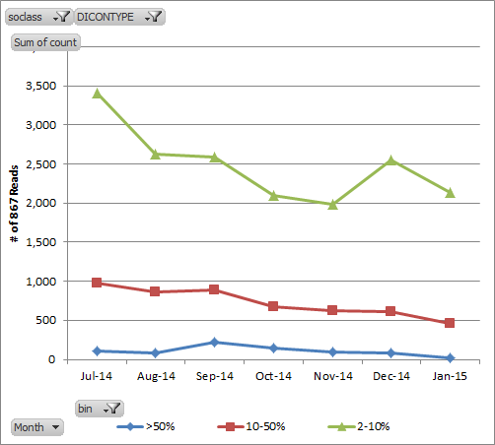
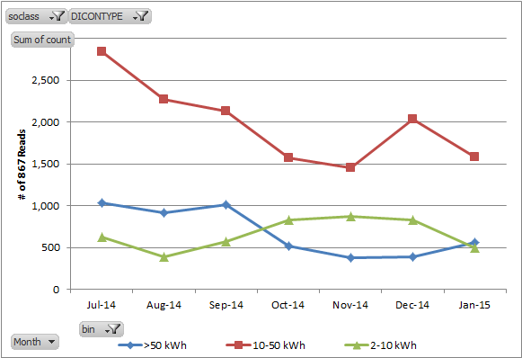
AMSR Switch - 867 kWh greater than AMS kWh

% Delta | Jul-14 | Aug-14 | Sep-14 | Oct-14 | Nov-14 | Dec-14 | Jan-15 | kWh Delta | Jul-14 | Aug-14 | Sep-14 | Oct-14 | Nov-14 | Dec-14 | Jan-15
>50% | 102 | 88 | 225 | 146 | 90 | 85 | 25 | >50 kWh | 1,028 | 910 | 1,008 | 521 | 372 | 383 | 556
10-50% | 979 | 866 | 885 | 680 | 621 | 607 | 465 | 10-50 kWh | 2,836 | 2,273 | 2,126 | 1,576 | 1,455 | 2,037 | 1,577
2-10% | 3,410 | 2,620 | 2,589 | 2,096 | 1,985 | 2,554 | 2,137 | 2-10 kWh | 627 | 391 | 565 | 825 | 869 | 826 | 494

AMSM_Cycle Reads_Less Than
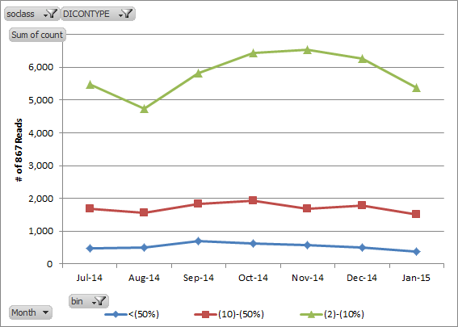
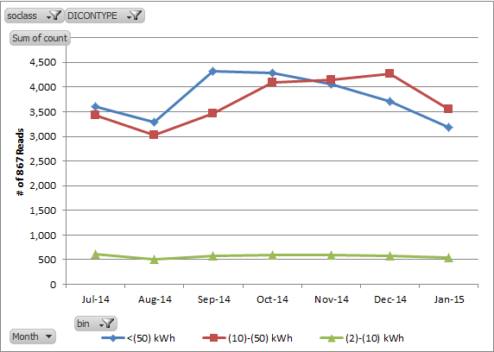
AMSM Cycle Reads - 867 kWh less than AMS kWh

% Delta | Jul-14 | Aug-14 | Sep-14 | Oct-14 | Nov-14 | Dec-14 | Jan-15 | kWh Delta | Jul-14 | Aug-14 | Sep-14 | Oct-14 | Nov-14 | Dec-14 | Jan-15
<(50%) | 472 | 506 | 703 | 625 | 577 | 515 | 387 | <(50) kWh | 3,600 | 3,289 | 4,323 | 4,289 | 4,060 | 3,708 | 3,193
(10)-(50%) | 1,687 | 1,567 | 1,842 | 1,923 | 1,687 | 1,778 | 1,519 | (10)-(50) kWh | 3,421 | 3,023 | 3,458 | 4,102 | 4,149 | 4,271 | 3,556
(2)-(10%) | 5,467 | 4,747 | 5,808 | 6,445 | 6,535 | 6,266 | 5,383 | (2)-(10) kWh | 605 | 508 | 572 | 602 | 590 | 580 | 540

AMSM_Cycle Reads_Greater Than
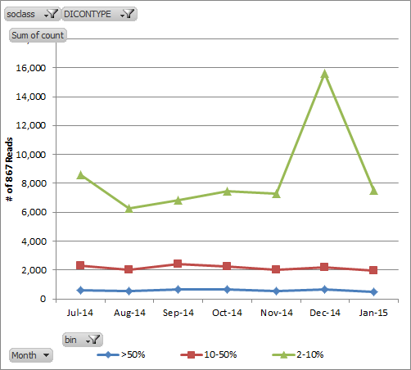
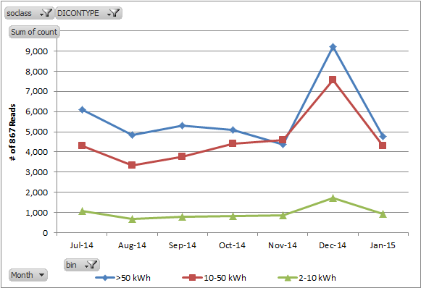
AMSM Cycle Reads - 867 kWh greater than AMS kWh

% Delta | Jul-14 | Aug-14 | Sep-14 | Oct-14 | Nov-14 | Dec-14 | Jan-15 | kWh Delta | Jul-14 | Aug-14 | Sep-14 | Oct-14 | Nov-14 | Dec-14 | Jan-15
>50% | 604 | 551 | 642 | 626 | 539 | 678 | 485 | >50 kWh | 6,081 | 4,834 | 5,320 | 5,095 | 4,376 | 9,225 | 4,770
10-50% | 2,273 | 2,010 | 2,384 | 2,226 | 1,988 | 2,188 | 1,979 | 10-50 kWh | 4,303 | 3,334 | 3,771 | 4,399 | 4,593 | 7,552 | 4,287
2-10% | 8,566 | 6,282 | 6,852 | 7,462 | 7,292 | 15,639 | 7,533 | 2-10 kWh | 1,059 | 675 | 787 | 820 | 850 | 1,728 | 940

AMSM_MoveInOut_Less Than
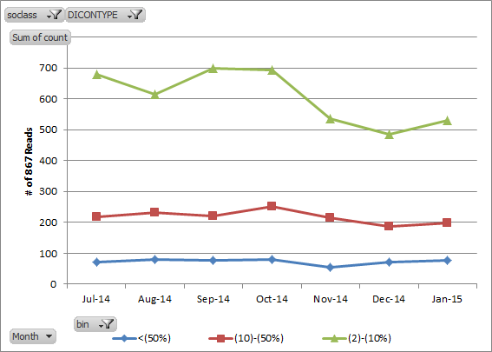
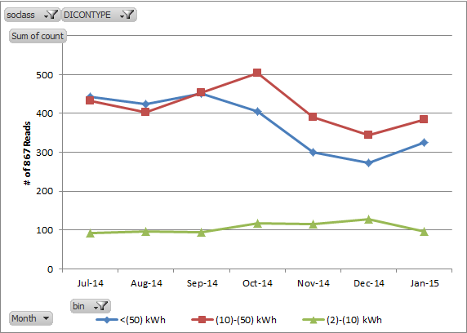
AMSM Move In/Out - 867 kWh less than AMS kWh

% Delta | Jul-14 | Aug-14 | Sep-14 | Oct-14 | Nov-14 | Dec-14 | Jan-15 | kWh Delta | Jul-14 | Aug-14 | Sep-14 | Oct-14 | Nov-14 | Dec-14 | Jan-15
<(50%) | 73 | 80 | 78 | 80 | 55 | 71 | 77 | <(50) kWh | 443 | 424 | 451 | 406 | 300 | 272 | 325
(10)-(50%) | 217 | 231 | 222 | 252 | 215 | 188 | 198 | (10)-(50) kWh | 433 | 404 | 453 | 503 | 390 | 344 | 384
(2)-(10%) | 679 | 613 | 698 | 694 | 536 | 486 | 531 | (2)-(10) kWh | 93 | 96 | 94 | 117 | 116 | 129 | 97

AMSM_MoveInOut_Greater Than
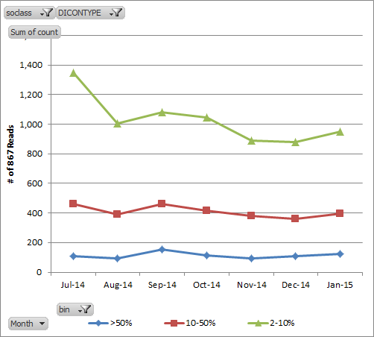
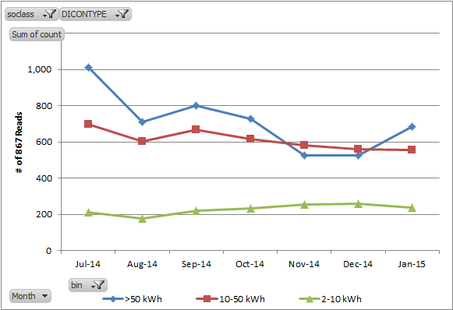
AMSM Move In/Out - 867 kWh greater than AMS kWh

% Delta | Jul-14 | Aug-14 | Sep-14 | Oct-14 | Nov-14 | Dec-14 | Jan-15 | kWh Delta | Jul-14 | Aug-14 | Sep-14 | Oct-14 | Nov-14 | Dec-14 | Jan-15
>50% | 106 | 92 | 154 | 111 | 93 | 108 | 125 | >50 kWh | 1,010 | 711 | 802 | 727 | 524 | 526 | 684
10-50% | 460 | 391 | 459 | 416 | 378 | 359 | 398 | 10-50 kWh | 697 | 601 | 669 | 614 | 583 | 560 | 554
2-10% | 1,350 | 1,007 | 1,079 | 1,046 | 890 | 879 | 951 | 2-10 kWh | 209 | 178 | 221 | 232 | 254 | 260 | 236

AMSM_Switch_Less Than
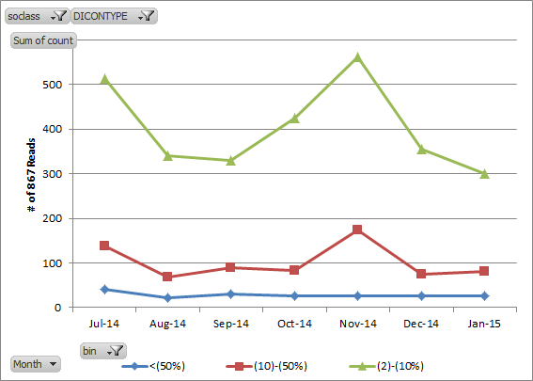
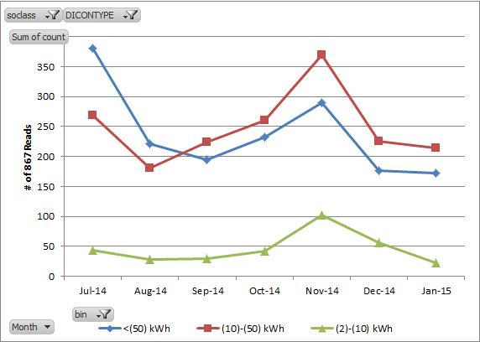
AMSM Switch - 867 kWh less than AMS kWh

% Delta | Jul-14 | Aug-14 | Sep-14 | Oct-14 | Nov-14 | Dec-14 | Jan-15 | kWh Delta | Jul-14 | Aug-14 | Sep-14 | Oct-14 | Nov-14 | Dec-14 | Jan-15
<(50%) | 41 | 22 | 30 | 27 | 26 | 26 | 26 | <(50) kWh | 380 | 221 | 195 | 232 | 290 | 176 | 172
(10)-(50%) | 138 | 68 | 89 | 83 | 174 | 75 | 82 | (10)-(50) kWh | 269 | 181 | 224 | 261 | 370 | 225 | 214
(2)-(10%) | 513 | 340 | 329 | 425 | 562 | 356 | 300 | (2)-(10) kWh | 43 | 28 | 29 | 42 | 102 | 56 | 22

AMSM_Switch_Greater Than
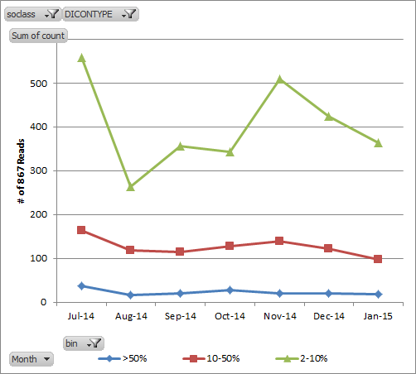
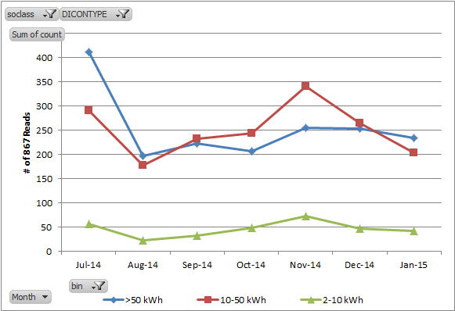
AMSM Switch - 867 kWh greater than AMS kWh

% Delta | Jul-14 | Aug-14 | Sep-14 | Oct-14 | Nov-14 | Dec-14 | Jan-15 | kWh Delta | Jul-14 | Aug-14 | Sep-14 | Oct-14 | Nov-14 | Dec-14 | Jan-15
>50% | 37 | 16 | 19 | 28 | 20 | 20 | 18 | >50 kWh | 411 | 197 | 223 | 207 | 255 | 254 | 234
10-50% | 164 | 118 | 114 | 128 | 139 | 122 | 97 | 10-50 kWh | 291 | 177 | 233 | 244 | 340 | 265 | 203
2-10% | 558 | 263 | 356 | 343 | 509 | 424 | 364 | 2-10 kWh | 57 | 23 | 33 | 48 | 73 | 47 | 42

